ToBeレポート
作りたいもの
 | Date update change history exists Update
 | Sales Doc No | Sales Line No | Sold to CD | Sold to name | Customer Ref No | PIC2 Name | PIC2 Branch | CL | Description | CustomerPart# | Updated Date | Org Req Date | Current Delivery Date | Current MAD | Previous MAD | Connected PO | Connected PO Item
 | 1000008322 | 10 | 201410403 | RS COMPONENTS LTD | 4506920455 | Carole Austin | UK | CL0222-2996-0-70-000 | TM11RX-5M2-88-LP0-DIR(70) | RS2705 | 2025-08-12 | 2025-10-20 | 2025-10-16 | 2025-10-09 | 2025-10-10 | 2000010264 | 10

Table | DataMappingシート を参照 Work3に対してマッピングを記載する
column | OBJECTID | SOLINE | SoldToBP | SoldToBPName | BSTKD_ANA | PIC2BPName | PIC2Country | MATNR | ARKTX | KDMAT | UDATE | REQ_DLVDATE | EDATU | CUKY_NEW | CUKY_OLD | VBELN | POSNV

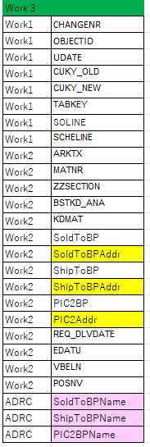

 | Original Request
 | ??? | PIC2 Name | PIC2 Country/Reg | Search Condition | Connected PO #(B2B) |  | no need | no need | SO CL | SO Cust part# | SO | SO 1st Delivery Date | no need | SO confirm Delivery Date | SO Change History ??? when "E" | SO | SO | SO | SO | SO | SO | SO confirm MADate | SO Change History when "E"
 | Type of Confirmation | Inside Sales Name | Inside Sales Branch | Date of Confirm | Purchase Doc No | Purchase Line No | Revised PO No | Revised PO Line No | Item Code | BP Cat No | Item Description | Org Del Date | Date Converted | New Confirmed Delivery Date | Previous Confirmed Delivery Date | Customer Code | Customer Name | MAGMA EDI | Sales Doc No | Sales Line No | Customer Ref No | New At KWE Whs | Previous At KWE Whs
 | Update | Carole Austin | UK | 2024-12-10 | 176066 | 8 |  |  | 130-0026-4-71 | 3005365740 | HR30-8P-12P(71) | 2025-02-14 | N | 2050-01-21 | 2025-02-14 | C010555 | RS COMPONENTS LTD | Y | 197109 | 9 | 4506920455 | 1950-01-04 | 2025-01-28
Search condition
Target Date： pin point. Not range.
PIC
 | Update | Carole Austin | UK | 2024-12-10 | 175726 | 18 |  |  | 543-5046-0-00 | 3001852210 | DF51A-10DP-2DSA | 2025-01-31 | N | 2025-01-31 | 2025-03-07 | C010555 | RS COMPONENTS LTD | Y | 196636 | 21 | 4506905101 | 2025-01-14 | 2025-02-17
 | Update | Carole Austin | UK | 2024-12-10 | 176027 |  |  |  | 673-1244-0-53 | 2724689 | BM15FR0.8-30DS-0.35V(53) | 2024-11-21 | N | 2025-02-07 | 2025-01-10 | C010554 | PREMIER FARNELL UK LTD | Y | 197050 |  | 13252251 | 2025-01-20 | 2024-12-23
 | Update | Eleanor Reim | GR | 2024-12-10 | 175625 |  |  |  | 580-1316-9-10 | 24-0842 | FH33-45S-0.5SH(10) | 2025-03-05 | N | 2025-03-05 | 2025-03-19 | C010681 | BMK professional electronics GmbH | Y | 196512 |  | 4037988 | 2025-02-24 | 2025-03-11
 | Update | Ilaria Rolfi | NL | 2024-12-10 | 176002 |  |  |  | 578-0005-7-92 | 167909 | FX8-100P-SV(92) | 2025-01-17 | N | 2025-01-30 | 2025-03-06 | C010395 | CODICO GmbH | Y | 197020 |  | 524039 | 2025-01-20 | 2025-02-24
 | Update | Karen Martin | UK | 2024-12-10 | 176224 | 6 |  |  | 684-4035-0-64 | DF40C10DP04V64 | DF40C-10DP-0.4V(64) | 2025-01-10 | N | 2025-02-05 | 2025-01-10 | C010029 | Elgood Oy | N | 197321 | 7 | 42535 | 2025-01-27 | 2024-12-30
 | Update | Karen Martin | UK | 2024-12-10 | 175935 | 10 |  |  | 242-0051-0-31 |  | ZX80-B-5P(31) | 2025-02-07 | N | 2025-02-26 | 2025-03-05 | C010029 | Elgood Oy | N | 196928 | 13 | 42372 | 2025-02-17 | 2025-02-24
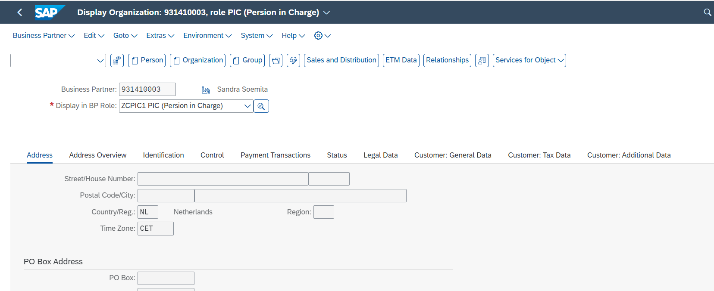
 | Update | Luke Carey | UK | 2024-12-10 | 176018 | 10 |  |  | 576-0305-8-93 |  | FX6A-60S-0.8SV(93) | 2024-12-13 | N | 2025-01-30 | 2025-02-13 | C021328 | Future Electronics | Y | 197040 | 11 | CD4CTY | 2025-01-14 | 2025-01-23
 | Update | Luke Carey | UK | 2024-12-10 | 172077 | 1 |  |  | 543-0322-0-21 |  | DF3EA-9P-2V(21) | 2024-12-23 | N | 2025-01-30 | 2025-01-02 | C021328 | Future Electronics | Y | 191510 | 1 | CD0FMG | 2025-01-14 | 2024-12-16
 | Update | Luke Carey | UK | 2024-12-10 | 175407 | 1 |  |  | 570-0144-2-85 |  | FX10A-168P-SV1(85) | 2025-01-20 | N | 2025-01-20 | 2025-01-29 | C010396 | HOT ELECTRONIC GmbH | N | 196200 | 1 | 15590 | 2025-01-06 | 2025-01-20
 | Update | Maximilian Deinlein | GR | 2024-12-10 | 175851 |  |  |  | 248-0027-0-00 |  | MT50WA-8A/6BS-CVL(9.0) | 2024-11-25 | N | 2025-02-05 | 2025-03-19 | C011240 | Euroconnection Srl | N | 196821 |  | 4182 | 2025-01-27 | 2025-03-10
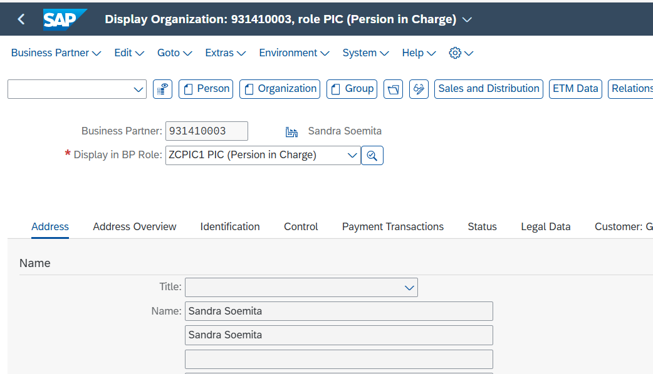
 | Update | Maximilian Deinlein | GR | 2024-12-10 | 175751 |  |  |  | 573-3102-8-20 | 1000038935 | FX23-40P-0.5SV20(20) | 2025-02-20 | N | 2025-02-20 | 2050-01-10 | C010674 | Basler AG | N | 196679 |  | 4500014535 | 2025-01-29 | 1950-01-04
 | Update | Mihaela Pele | GR | 2024-12-10 | 175001 |  |  |  | 666-5002-4-13 | 40-150-0011 | DF61-2S-2.2C(13) | 2025-01-20 | N | 2025-01-20 | 2025-01-22 | C010768 | ODW-ELEKTRIK GmbH | N | 195617 |  | 4500083561 | 2025-01-15 | 2025-01-20
 | Update | Mihaela Pele | GR | 2024-12-10 | 175001 |  |  |  | 666-5002-4-13 | 40-150-0010 | DF61-2S-2.2C(13) | 2025-01-20 | N | 2025-01-20 | 2025-01-22 | C010768 | ODW-ELEKTRIK GmbH | N | 195617 |  | 4500083561 | 2025-01-15 | 2025-01-20
 | Update | Milette Garcia Fernandez | NL | 2024-12-10 | 173892 |  |  |  | 222-2905-0-72 | RA1054 | TM11R-5M2-88-LP(72) | 2025-01-29 | N | 2025-01-29 | 2024-12-11 | C010262 | HMS Industrial Networks AB | N | 193998 |  | P01012535 | 2025-01-06 | 2024-12-30
 | Update | Milette Garcia Fernandez | NL | 2024-12-10 | 175913 | 1 |  |  | 662-8112-3-52 | 801469 | DF81-50P-SHL(52) | 2025-01-09 | N | 2025-02-05 | 2025-01-09 | C010068 | Swelex AB | N | 196897 | 1 | 302898 | 2025-01-20 | 2024-12-18
 | Update | Philipp Salci | GR | 2024-12-10 | 175750 |  |  |  | 686-0020-3-00 |  | DF20A-10DS-1C | 2024-12-10 | N | 2025-01-09 | 2024-12-28 | C019999 | Sinbon | N | 196678 |  | HAS-2411000233 | 2025-01-09 | 2024-12-28
 | Update | Sharon Reynolds | UK | 2024-12-10 | 174830 |  |  |  | 321-5193-9-05 |  | U.FL-2LPHF6-066N1-A-200 | 2025-02-25 | N | 2025-03-12 | 2025-02-25 | C010400 | Avnet Embedded (Freiburg) GmbH | N | 195365 |  | 4810027406 | 2025-03-03 | 2025-02-12
 | New | Eleanor Reim | GR | 2024-12-10 | 176399 | 1 |  |  | 580-1316-9-10 | 24-0842 | FH33-45S-0.5SH(10) | 2025-06-18 | N | 2025-06-18 |  | C010681 | BMK professional electronics GmbH | Y | 197606 | 1 | 4041801 | 2025-06-10 | 2025-05-14
 | New | Eleanor Reim | GR | 2024-12-10 | 176399 |  |  |  | 580-1316-9-10 | 24-0842 | FH33-45S-0.5SH(10) | 2025-05-14 | N | 2025-05-14 |  | C010681 | BMK professional electronics GmbH | Y | 197606 |  | 4041801 | 2025-05-06 | 2025-05-14
 | New | Ilaria Rolfi | NL | 2024-12-10 | 176358 |  |  |  | 544-1014-6-00 | SEAL-DF62W-WP | DF62W-WP | 2025-02-14 | N | 2025-02-14 |  | C025343 | Cablex SK s.r.o. | N | 197541 |  | 9100001735 | 2025-01-29 | 2025-02-14
 | New | Ilaria Rolfi | NL | 2024-12-10 | 176349 |  |  |  | 580-0506-9-09 | 275333 | FH19SC-22S-0.5SH(09) | 2025-03-21 | N | 2025-03-27 |  | C010395 | CODICO GmbH | Y | 197527 | 2 | 524648 | 2025-03-12 | 2025-01-17
 | New | Karen Martin | UK | 2024-12-10 | 176395 |  |  |  | 684-3083-7-51 | UCON01235 | DF37NC-34DS-0.4V(51) | 2025-03-19 | N | 2025-03-24 |  | C010560 | SONY EUROPE BV | N | 197596 |  | 1237-0006-001 | 2025-03-05 | 2025-03-19
 | New | Leon Seidemann | GR | 2024-12-10 | 176352 | 4 |  |  | 676-0026-2-00 | 5323 | DF5A-6DS-5C | 2025-02-13 | N | 2025-02-14 |  | C011898 | Tecnocabel-Comp.Electr. Lda | N | 197532 | 4 | EC24/5774-1 | 2025-01-29 | 2025-02-13
 | New | Leon Seidemann | GR | 2024-12-10 | 176352 | 3 |  |  | 676-0009-3-00 | 5304 | DF5A-4S-5C | 2025-02-13 | N | 2025-02-14 |  | C011898 | Tecnocabel-Comp.Electr. Lda | N | 197532 | 3 | EC24/5774-1 | 2025-01-29 | 2025-02-13
 | New | Leon Seidemann | GR | 2024-12-10 | 176352 | 1 |  |  | 668-0030-5-00 | 1361 | DF52-2832PCF | 2025-02-13 | N | 2025-02-14 |  | C011898 | Tecnocabel-Comp.Electr. Lda | N | 197532 | 1 | EC24/5774-1 | 2025-01-29 | 2025-02-13
 | New | Maximilian Deinlein | GR | 2024-12-10 | 176380 |  |  |  | 206-0950-4-33 |  | MQ172-3PA(33) | 2025-03-06 | N | 2025-03-12 |  | C011735 | SYSTRONICS SRL | N | 197566 |  | 4500700245 | 2025-03-03 | 2025-03-06
 | New | Venelin Donev | NL | 2024-12-10 | 176407 |  |  |  | 586-1803-8-72 | A5E30835300 | FH28-40S-0.5SH(72) | 2025-03-28 | N | 2025-04-03 |  | C023170 | Siemens AG DI MC UK-Congleton | N | 197617 |  | 5000645811 | 2025-03-25 | 2025-03-28
 | New | Venelin Donev | NL | 2024-12-10 | 176406 |  |  |  | 538-0124-7-97 | A5E32611247 | DF14A-25P-1.25H(97) | 2025-03-04 | N | 2025-03-10 |  | C010884 | Siemens AG DI FA D-Fürth | N | 197616 |  | 1202567193 | 2025-03-03 | 2025-03-04

DataMapping
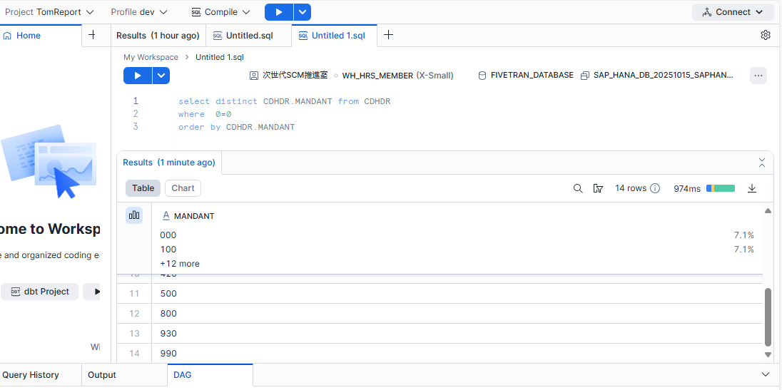
開発環境
SIT2環境（４２０）
でサンプルを作る

Step1 | 納期変更が最近発生している受注の一覧を取る

CDHDR | where | memo |  |  | CDPOS | where | memo |  |  | Work1
CHANGENR |  |  |  |  | CHANGENR |  |  |  |  | CDHDR | CHANGENR
MANDANT |  | client No 本番は９００ 開発は４２０ |  |  | CHNGIND |  |  |  |  | CDHDR | OBJECTID
OBJECTCLAS | 'VERKBELEG' |  |  |  | FNAME | 'EDATU' |  |  |  | CDHDR | UDATE
今回は420で作成？
→SAPの接続情報が開発なので本番に切り替える必要がある
OBJECTID |  |  |  |  | MANDANT |  |  |  |  | CDPOS | CUKY_OLD
ACT_CHNGNO |  |  |  |  | OBJECTCLAS | 'VERKBELEG' |  |  |  | CDPOS | CUKY_NEW
CHANGE_IND |  |  |  |  | OBJECTID |  |  |  |  | CDPOS | TABKEY
LANGU |  |  |  |  | TABKEY |  |  |  |  | CDPOS.TABKEY | SOLINE | 15桁目から6桁 | 受注明細
PLANCHNGNR |  |  |  |  | TABNAME | 'VBEP' |  |  |  | CDPOS.TABKEY | SCHELINE | 21桁目から4桁 | スケジュールラインNo
SELECT *
FROM CDHDR
JOIN CDPOS ON CDHDR.CHANGENR = CDPOS.CHANGENR
WHERE CDHDR.OBJECTCLAS = 'VERKBELEG'
AND CDPOS.TABNAME = 'VBEP'
AND CDHDR.MANDANT = '420'
AND CDPOS.FNAME='EDATU'
TCODE |  |  |  |  | CUKY_NEW
42010000057710000600002
420 --クライアント
1000005771 --受注番号
000060 --受注明細
0002 --スケジュールラインNo
UDATE |  | 変更発生日 |  |  | CUKY_OLD
USERNAME |  |  |  |  | TEXT_CASE
UTIME |  |  |  |  | UNIT_NEW
VERSION |  |  |  |  | UNIT_OLD
WAS_PLANND |  |  |  |  | VALUE_NEW
_DATAAGING |  |  |  |  | VALUE_OLD
_FIVETRAN_DELETED |  |  |  |  | _DATAAGING
_FIVETRAN_SYNCED |  |  |  |  | _FIVETRAN_DELETED
select * from CDHDR
where CDHDR.MANDANT = '420' and
CDHDR.OBJECTCLAS ='VERKBELEG' and
CDHDR.UDATE >= TO_DATE('2025-10-01', 'YYYY-MM-DD')
limit 100
select * from CDPOSwhere CDPOS.MANDANT = '420'
and CDPOS.OBJECTCLAS ='VERKBELEG'
and CDPOS.FNAME='EDATU'
limit 100
 |  |  |  |  | _FIVETRAN_SYNCED

Step２ | 取得した受注番号を元にBPやItemを取得する
Step２ー１ | Item取得

Work1 |  |  |  | VBAP |  |  | Work２
CDHDR | CHANGENR |  |  | MANDT | 420 |  | Work1 | CHANGENR
CDHDR | OBJECTID |  |  | POSNR | 000060 |  | Work1 | OBJECTID
CDHDR | UDATE |  |  | VBELN | 1000005771 |  | Work1 | UDATE
CDPOS | CUKY_OLD |  |  | ARKTX | DM1B-DSF-PEJ(92) |  | Work1 | CUKY_OLD
CDPOS | CUKY_NEW |  |  | MATNR | CL06090003592000 |  | Work1 | CUKY_NEW
CDPOS | TABKEY |  |  | ZZSECTION | E05 |  | Work1 | TABKEY
CDPOS.TABKEY | SOLINE 15桁目から6桁 |  | OrderRef | BSTKD_ANA | 530894 |  | Work1 | SOLINE
CDPOS.TABKEY | SCHELINE 21桁目から4桁 |  | CustomerP/N | KDMAT | 297987 |  | Work1 | SCHELINE
 |  |  |  |  |  |  | VBAP | ARKTX | PartNo
 |  |  |  |  |  |  | VBAP | MATNR | CL
 |  |  |  |  |  |  | VBAP | ZZSECTION | section
Work1を元に検索してHitしない場合、000000の値を使う
Step２ー２ | BP取得 |  |  |  |  |  | VBAP | BSTKD_ANA | OrderRef
 |  |  |  |  |  |  | VBAP | KDMAT | CustomerP/N
Work1 |  |  |  | VBPA |  |  | VBPA | SoldToBP | ASSIGNED_BP | PARVW＝AG
CDHDR | CHANGENR |  |  | MANDT | 420 |  | VBPA | SoldToBPAddr | ADRNR | PARVW＝AG
CDHDR | OBJECTID |  |  | PARVW |  |  | VBPA | ShipToBP | ASSIGNED_BP | PARVW＝WE
CDHDR | UDATE |  |  | POSNR | 000010 |  | VBPA | ShipToBPAddr | ADRNR | PARVW＝WE
CDPOS | CUKY_OLD |  |  | VBELN | 1000005771 |  | VBPA | PIC2BP | ASSIGNED_BP | PARVW＝ZR
CDPOS | CUKY_NEW |  | PARVW＝AG | ASSIGNED_BP | 0201410061 |  | VBPA | PIC2Addr | ADRNR | PARVW＝ZR
CDPOS | TABKEY |  | PARVW＝AG | ADRNR | 0000035495 |  | VBPA | PIC2Country | COUNTRY | PARVW＝ZR
・取得方法確認
→PARVW＝AG、WE、ZRでそれぞれ3回LEFT OUTER JOIN
・POSNR
→ヘッダーレベル（00000）と明細レベル（00010~）が存在する
処理は明細優先で取得。明細が1件もない場合はヘッダー（00000）を取得
CDPOS.TABKEY | SOLINE 15桁目から6桁 |  | PARVW＝WE | ASSIGNED_BP | 0411410176 |  | VBEP | REQ_DLVDATE | 希望納期
CDPOS.TABKEY | SCHELINE 21桁目から4桁 |  | PARVW＝WE | ADRNR | 0000026615 |  | VBEP | EDATU | 想定着日
 |  |  | PARVW＝ZR | ASSIGNED_BP | 0911410002 |  | VBFA | VBELN | PO No
 |  |  | PARVW＝ZR | ADRNR | 0000028617 |  | VBFA | POSNV | PO Line No
 |  |  | PARVW＝ZR | COUNTRY | NL

Step２ー３ | 希望納期 回答納期

Work1 |  |  |  | VBEP
CDHDR | CHANGENR |  |  | ETENR | 0002
CDHDR | OBJECTID |  |  | MANDT | 420
CDHDR | UDATE |  |  | POSNR | 000060
CDPOS | CUKY_OLD |  |  | VBELN | 1000005771
CDPOS | CUKY_NEW |  |  | REQ_DLVDATE | 2025-07-18
CDPOS | TABKEY |  |  | EDATU | 2025-10-27
CDPOS.TABKEY | SOLINE 15桁目から6桁
CDPOS.TABKEY | SCHELINE 21桁目から4桁

Step２ー４ | 繋がっているPO取得
Work1 |  |  |  | VBFA
CDHDR | CHANGENR |  |  | MANDT | 420
CDHDR | OBJECTID |  |  | POSNN | 000030 |  | 存在しない場合有
CDHDR | UDATE |  |  | POSNV | 000080
存在しない場合はNullでOKでしょうか
→OK
CDPOS | CUKY_OLD |  |  | VBELN | 2000006315
CDPOS | CUKY_NEW |  |  | VBELV | 1000005771
CDPOS | TABKEY
CDPOS.TABKEY | SOLINE 15桁目から6桁
CDPOS.TABKEY | SCHELINE 21桁目から4桁

Step３ | 取得したBPに名前を付ける

Work２ |  |  |  | ADRC | SoldToBPAddr | ShipToBPAddr | PIC2Addr |  | Work３
Work1 | CHANGENR |  |  | ADDRNUMBER | 0000026615 | 0000035495 | 0000028617 |  | Work1 | CHANGENR
Work1 | OBJECTID |  |  | CLIENT | 420 | 420 | 420 |  | Work1 | OBJECTID
Work1 | UDATE |  |  | MC_NAME1 | CODICO GMBH | CODICO GMBH | MICHAEL SIMONS |  | Work1 | UDATE
Work1 | CUKY_OLD |  |  |  |  |  |  |  | Work1 | CUKY_OLD
Work1 | CUKY_NEW |  |  |  |  |  |  |  | Work1 | CUKY_NEW
これはどのような取得方法でしょうか？
→3回Left Joinする
例．１回目:SoldToBPAddr
ADDRNUMBER=0000026615
CLIENT=420
MC_NAME1=CODICO GMBH
Work1 | TABKEY |  |  |  |  |  |  |  | Work1 | TABKEY
Work1 | SOLINE |  |  |  |  |  |  |  | Work1 | SOLINE
Work1 | SCHELINE |  |  |  |  |  |  |  | Work1 | SCHELINE
VBAP | ARKTX |  |  |  |  |  |  |  | Work2 | ARKTX
VBAP | MATNR |  |  |  |  |  |  |  | Work2 | MATNR
VBAP | ZZSECTION |  |  |  |  |  |  |  | Work2 | ZZSECTION
VBAP | BSTKD_ANA |  |  |  |  |  |  |  | Work2 | BSTKD_ANA
VBAP | KDMAT |  |  |  |  |  |  |  | Work2 | KDMAT
VBPA | SoldToBP |  |  |  |  |  |  |  | Work2 | SoldToBP
VBPA | SoldToBPAddr |  |  |  |  |  |  |  | Work2 | SoldToBPAddr
VBPA | ShipToBP |  |  |  |  |  |  |  | Work2 | ShipToBP
VBPA | ShipToBPAddr |  |  |  |  |  |  |  | Work2 | ShipToBPAddr
VBPA | PIC2BP |  |  |  |  |  |  |  | Work2 | PIC2BP
VBPA | PIC2Addr |  |  |  |  |  |  |  | Work2 | PIC2Addr
VBEP | REQ_DLVDATE |  |  |  |  |  |  |  | Work2 | PIC2Country
VBEP | EDATU |  |  |  |  |  |  |  | Work2 | REQ_DLVDATE
VBFA | VBELN |  |  |  |  |  |  |  | Work2 | EDATU
VBFA | POSNV |  |  |  |  |  |  |  | Work2 | VBELN
日付書式はTBでYYYY/MM/DDに合わせる
 |  |  |  |  |  |  |  |  | Work2 | POSNV
 |  |  |  |  |  |  |  |  | ADRC | SoldToBPName
 |  |  |  |  |  |  |  |  | ADRC | ShipToBPName
 |  |  |  |  |  |  |  |  | ADRC | PIC2BPName

情報の取り方
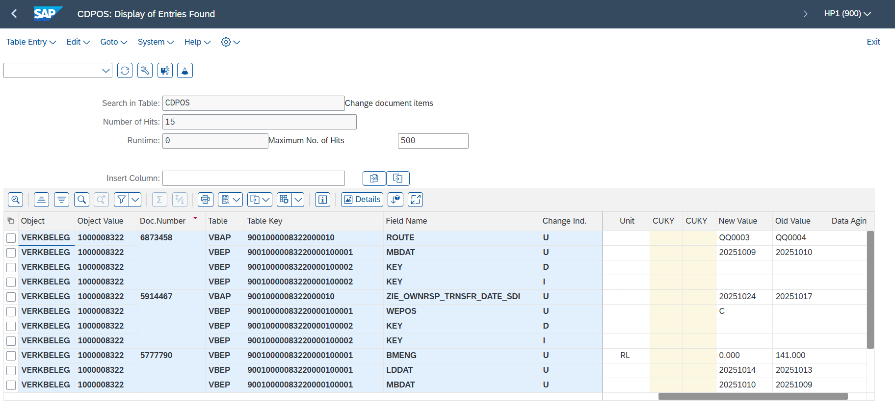
納期回答更新レポート
テーブル名
CDHDR | 変更文書ヘッダ | 誰が、いつ、どのトランザクションで変更したかなどの概要情報を記録
CDPOS | 変更文書明細 | どの項目がどのように変更されたか（旧値・新値など）を記録
VBAK | 受注伝票ヘッダ
VBAP | 受注伝票明細
VBEP | 明細スケジュール行
VBUK | ヘッダステータスおよび管理データ（受注全体のステータス）
VBUP | 明細ステータス（各明細行のステータス）
VBPA | 販売伝票のパートナーデータ
BUT000 | BP 基本テーブル
BUT020 | ADRCのKeyが管理されている
ADRC | BP名称・アドレスなど | SELECT * FROM CDHDR WHERE OBJECTCLAS = 'VERKBELEG' AND OBJECTID = 'A';
 |  | SELECT * FROM CDPOS WHERE CHANGENR = '<CDHDRから取得した変更番号>';
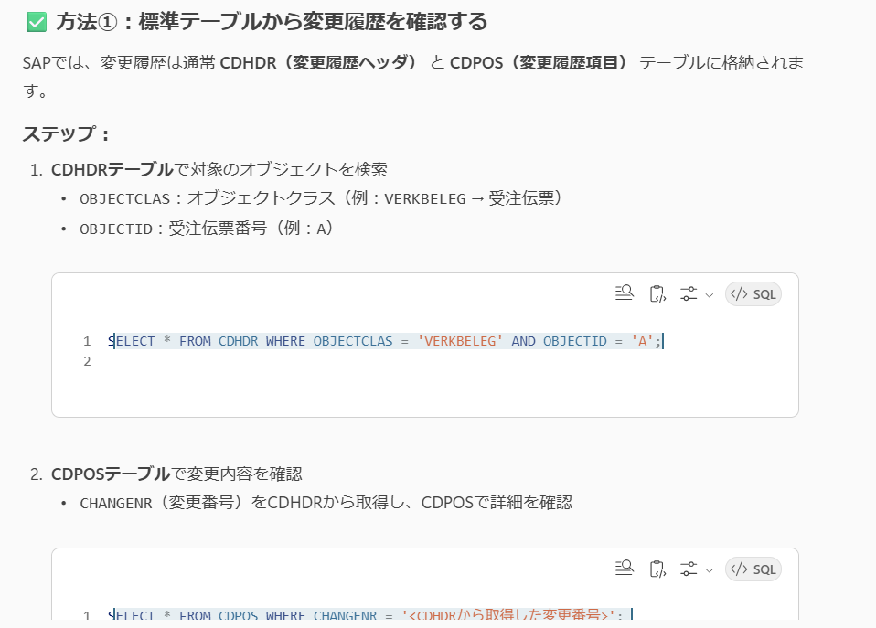
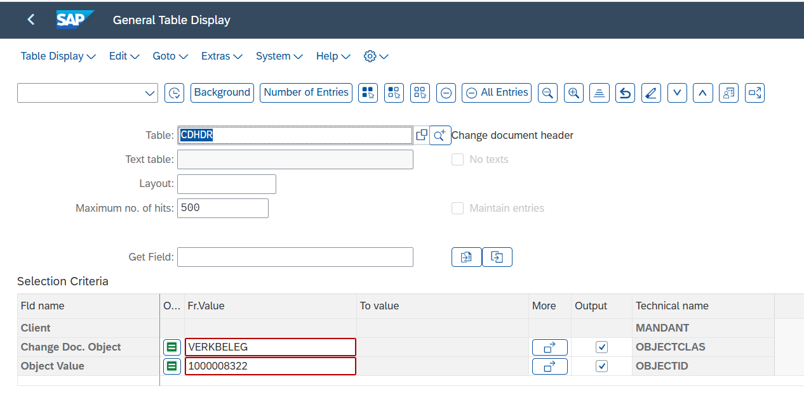

 |  |  | 5777790
 |  |  | 5914467
 |  |  | 6873458

CDHDR
select * from CDHDR
where CDHDR.MANDANT = '420' and
CDHDR.OBJECTCLAS ='VERKBELEG' and
CDHDR.UDATE >= TO_DATE('2025-10-01', 'YYYY-MM-DD')
limit 100
Object | Obj. Value | Doc.Number | User | Date | Time | TCode | Change no. | Doc. no. | Fl | Obj.change | L | 3-Byte field | Data Aging
VERKBELEG | 1000008322 | 5777790 | JP1_ADM | 30.06.2025 | 23:00:32 |  |  |  |  | U | EN | 000
VERKBELEG | 1000008322 | 5914467 | PO_TECH_USER | 02.07.2025 | 17:16:58 |  |  |  |  | U | EN | 000
VERKBELEG | 1000008322 | 6873458 | PO_TECH_USER | 12.08.2025 | 10:54:52 |  |  |  |  | U | EN | 000

CHANGENR | MANDANT | OBJECTCLAS | OBJECTID | ACT_CHNGNO | CHANGE_IND | LANGU | PLANCHNGNR | TCODE | UDATE | USERNAME | UTIME | VERSION | WAS_PLANND | _DATAAGING | _FIVETRAN_DELETED | _FIVETRAN_SYNCED
0010408560 | 420 | VERKBELEG | 2260001197 |  | U | E |  |  | 2025-10-16 | JP2_ADM | 220117 | 000 |  |  | false | 2025-10-16 15:21:54.442 Z
0010408615 | 420 | VERKBELEG | 1000005771 |  | U | E |  |  | 2025-10-16 | JP2_ADM | 220341 | 000 |  |  | false | 2025-10-16 15:21:54.443 Z
0010408595 | 420 | VERKBELEG | 1000006317 |  | U | E |  |  | 2025-10-16 | JP2_ADM | 220309 | 000 |  |  | false | 2025-10-16 15:21:54.443 Z
0010408600 | 420 | VERKBELEG | 1000006775 |  | U | E |  |  | 2025-10-16 | JP2_ADM | 220317 | 000 |  |  | false | 2025-10-16 15:21:54.443 Z
0010408632 | 420 | VERKBELEG | 1000007190 |  | U | E |  |  | 2025-10-16 | JP2_ADM | 220406 | 000 |  |  | false | 2025-10-16 15:21:54.444 Z
0010408668 | 420 | VERKBELEG | 1000007212 |  | U | E |  |  | 2025-10-16 | JP2_ADM | 220449 | 000 |  |  | false | 2025-10-16 15:21:54.445 Z
0010408557 | 420 | VERKBELEG | 2260001086 |  | U | E |  |  | 2025-10-16 | JP2_ADM | 220113 | 000 |  |  | false | 2025-10-16 15:21:54.442 Z
0010408686 | 420 | VERKBELEG | 1000004851 |  | U | E |  |  | 2025-10-16 | JP2_ADM | 220511 | 000 |  |  | false | 2025-10-16 15:21:54.445 Z
0010408574 | 420 | VERKBELEG | 1000003147 |  | U | E |  |  | 2025-10-16 | JP2_ADM | 220156 | 000 |  |  | false | 2025-10-16 15:21:54.442 Z
0010408593 | 420 | VERKBELEG | 1000005958 |  | U | E |  |  | 2025-10-16 | JP2_ADM | 220305 | 000 |  |  | false | 2025-10-16 15:21:54.443 Z
0010408612 | 420 | VERKBELEG | 1000005368 |  | U | E |  |  | 2025-10-16 | JP2_ADM | 220337 | 000 |  |  | false | 2025-10-16 15:21:54.443 Z
0010408721 | 420 | VERKBELEG | 1000007343 |  | U | E |  |  | 2025-10-16 | JP2_ADM | 220601 | 000 |  |  | false | 2025-10-16 15:21:54.446 Z
0010408669 | 420 | VERKBELEG | 1000006952 |  | U | E |  |  | 2025-10-16 | JP2_ADM | 220450 | 000 |  |  | false | 2025-10-16 15:21:54.445 Z
0010408577 | 420 | VERKBELEG | 1000002672 |  | U | E |  |  | 2025-10-16 | JP2_ADM | 220207 | 000 |  |  | false | 2025-10-16 15:21:54.442 Z
0010408712 | 420 | VERKBELEG | 1000006402 |  | U | E |  |  | 2025-10-16 | JP2_ADM | 220543 | 000 |  |  | false | 2025-10-16 15:21:54.446 Z
0010408639 | 420 | VERKBELEG | 1000006468 |  | U | E |  |  | 2025-10-16 | JP2_ADM | 220415 | 000 |  |  | false | 2025-10-16 15:21:54.444 Z
0010408569 | 420 | VERKBELEG | 1000003085 |  | U | E |  |  | 2025-10-16 | JP2_ADM | 220141 | 000 |  |  | false | 2025-10-16 15:21:54.442 Z
0010408657 | 420 | VERKBELEG | 1000003773 |  | U | E |  |  | 2025-10-16 | JP2_ADM | 220436 | 000 |  |  | false | 2025-10-16 15:21:54.444 Z
0010408695 | 420 | VERKBELEG | 1000007132 |  | U | E |  |  | 2025-10-16 | JP2_ADM | 220523 | 000 |  |  | false | 2025-10-16 15:21:54.445 Z
0010408649 | 420 | VERKBELEG | 1000004330 |  | U | E |  |  | 2025-10-16 | JP2_ADM | 220428 | 000 |  |  | false | 2025-10-16 15:21:54.444 Z
0010408608 | 420 | VERKBELEG | 1000006738 |  | U | E |  |  | 2025-10-16 | JP2_ADM | 220332 | 000 |  |  | false | 2025-10-16 15:21:54.443 Z
0010408558 | 420 | VERKBELEG | 1000006941 |  | U | E |  |  | 2025-10-16 | JP2_ADM | 220114 | 000 |  |  | false | 2025-10-16 15:21:54.442 Z
0010408671 | 420 | VERKBELEG | 1000005256 |  | U | E |  |  | 2025-10-16 | JP2_ADM | 220452 | 000 |  |  | false | 2025-10-16 15:21:54.445 Z
0010408665 | 420 | VERKBELEG | 1000006135 |  | U | E |  |  | 2025-10-16 | JP2_ADM | 220446 | 000 |  |  | false | 2025-10-16 15:21:54.445 Z
0010408660 | 420 | VERKBELEG | 1000006951 |  | U | E |  |  | 2025-10-16 | JP2_ADM | 220440 | 000 |  |  | false | 2025-10-16 15:21:54.444 Z
0010408714 | 420 | VERKBELEG | 1000005929 |  | U | E |  |  | 2025-10-16 | JP2_ADM | 220548 | 000 |  |  | false | 2025-10-16 15:21:54.446 Z
0010408706 | 420 | VERKBELEG | 1000006349 |  | U | E |  |  | 2025-10-16 | JP2_ADM | 220536 | 000 |  |  | false | 2025-10-16 15:21:54.446 Z
0010408697 | 420 | VERKBELEG | 1000005294 |  | U | E |  |  | 2025-10-16 | JP2_ADM | 220525 | 000 |  |  | false | 2025-10-16 15:21:54.446 Z
0010408685 | 420 | VERKBELEG | 1000006480 |  | U | E |  |  | 2025-10-16 | JP2_ADM | 220510 | 000 |  |  | false | 2025-10-16 15:21:54.445 Z
0010408592 | 420 | VERKBELEG | 1000005862 |  | U | E |  |  | 2025-10-16 | JP2_ADM | 220303 | 000 |  |  | false | 2025-10-16 15:21:54.443 Z
0010408683 | 420 | VERKBELEG | 1000006371 |  | U | E |  |  | 2025-10-16 | JP2_ADM | 220508 | 000 |  |  | false | 2025-10-16 15:21:54.445 Z
0010408670 | 420 | VERKBELEG | 1000007338 |  | U | E |  |  | 2025-10-16 | JP2_ADM | 220451 | 000 |  |  | false | 2025-10-16 15:21:54.445 Z
0010408563 | 420 | VERKBELEG | 1600000014 |  | U | E |  |  | 2025-10-16 | JP2_ADM | 220123 | 000 |  |  | false | 2025-10-16 15:21:54.442 Z
0010408622 | 420 | VERKBELEG | 1000007310 |  | U | E |  |  | 2025-10-16 | JP2_ADM | 220352 | 000 |  |  | false | 2025-10-16 15:21:54.443 Z
0010408596 | 420 | VERKBELEG | 1000006334 |  | U | E |  |  | 2025-10-16 | JP2_ADM | 220310 | 000 |  |  | false | 2025-10-16 15:21:54.443 Z
0010408584 | 420 | VERKBELEG | 1000005826 |  | U | E |  |  | 2025-10-16 | JP2_ADM | 220231 | 000 |  |  | false | 2025-10-16 15:21:54.442 Z
0010408709 | 420 | VERKBELEG | 1000025279 |  | U | E |  |  | 2025-10-16 | JP2_ADM | 220539 | 000 |  |  | false | 2025-10-16 15:21:54.446 Z
0010408628 | 420 | VERKBELEG | 1000005869 |  | U | E |  |  | 2025-10-16 | JP2_ADM | 220401 | 000 |  |  | false | 2025-10-16 15:21:54.443 Z
0010408603 | 420 | VERKBELEG | 1000006318 |  | U | E |  |  | 2025-10-16 | JP2_ADM | 220320 | 000 |  |  | false | 2025-10-16 15:21:54.443 Z
0010408636 | 420 | VERKBELEG | 1000005198 |  | U | E |  |  | 2025-10-16 | JP2_ADM | 220412 | 000 |  |  | false | 2025-10-16 15:21:54.444 Z
0010408587 | 420 | VERKBELEG | 1000006087 |  | U | E |  |  | 2025-10-16 | JP2_ADM | 220253 | 000 |  |  | false | 2025-10-16 15:21:54.443 Z
0010408599 | 420 | VERKBELEG | 1000004680 |  | U | E |  |  | 2025-10-16 | JP2_ADM | 220315 | 000 |  |  | false | 2025-10-16 15:21:54.443 Z
0010408565 | 420 | VERKBELEG | 1000002098 |  | U | E |  |  | 2025-10-16 | JP2_ADM | 220134 | 000 |  |  | false | 2025-10-16 15:21:54.442 Z
0010408589 | 420 | VERKBELEG | 1000006186 |  | U | E |  |  | 2025-10-16 | JP2_ADM | 220258 | 000 |  |  | false | 2025-10-16 15:21:54.443 Z
0010408672 | 420 | VERKBELEG | 1000006059 |  | U | E |  |  | 2025-10-16 | JP2_ADM | 220454 | 000 |  |  | false | 2025-10-16 15:21:54.445 Z
0010408583 | 420 | VERKBELEG | 1000005834 |  | U | E |  |  | 2025-10-16 | JP2_ADM | 220229 | 000 |  |  | false | 2025-10-16 15:21:54.442 Z
0010408701 | 420 | VERKBELEG | 1000006819 |  | U | E |  |  | 2025-10-16 | JP2_ADM | 220530 | 000 |  |  | false | 2025-10-16 15:21:54.446 Z
0010408624 | 420 | VERKBELEG | 1000007412 |  | U | E |  |  | 2025-10-16 | JP2_ADM | 220355 | 000 |  |  | false | 2025-10-16 15:21:54.443 Z
0010408637 | 420 | VERKBELEG | 1000006488 |  | U | E |  |  | 2025-10-16 | JP2_ADM | 220413 | 000 |  |  | false | 2025-10-16 15:21:54.444 Z
0010408659 | 420 | VERKBELEG | 1000006949 |  | U | E |  |  | 2025-10-16 | JP2_ADM | 220439 | 000 |  |  | false | 2025-10-16 15:21:54.444 Z
0010408699 | 420 | VERKBELEG | 1000005464 |  | U | E |  |  | 2025-10-16 | JP2_ADM | 220527 | 000 |  |  | false | 2025-10-16 15:21:54.446 Z
0010408605 | 420 | VERKBELEG | 1000006877 |  | U | E |  |  | 2025-10-16 | JP2_ADM | 220324 | 000 |  |  | false | 2025-10-16 15:21:54.443 Z
0010408571 | 420 | VERKBELEG | 1000003086 |  | U | E |  |  | 2025-10-16 | JP2_ADM | 220144 | 000 |  |  | false | 2025-10-16 15:21:54.442 Z
0010408722 | 420 | VERKBELEG | 1000007185 |  | U | E |  |  | 2025-10-16 | JP2_ADM | 220602 | 000 |  |  | false | 2025-10-16 15:21:54.446 Z
0010408626 | 420 | VERKBELEG | 1000007395 |  | U | E |  |  | 2025-10-16 | JP2_ADM | 220358 | 000 |  |  | false | 2025-10-16 15:21:54.443 Z
0010408572 | 420 | VERKBELEG | 1000003072 |  | U | E |  |  | 2025-10-16 | JP2_ADM | 220146 | 000 |  |  | false | 2025-10-16 15:21:54.442 Z
0010408598 | 420 | VERKBELEG | 1000006279 |  | U | E |  |  | 2025-10-16 | JP2_ADM | 220313 | 000 |  |  | false | 2025-10-16 15:21:54.443 Z
0010408620 | 420 | VERKBELEG | 1000004674 |  | U | E |  |  | 2025-10-16 | JP2_ADM | 220349 | 000 |  |  | false | 2025-10-16 15:21:54.443 Z
0010408621 | 420 | VERKBELEG | 1000005819 |  | U | E |  |  | 2025-10-16 | JP2_ADM | 220351 | 000 |  |  | false | 2025-10-16 15:21:54.443 Z
0010408640 | 420 | VERKBELEG | 1000006363 |  | U | E |  |  | 2025-10-16 | JP2_ADM | 220416 | 000 |  |  | false | 2025-10-16 15:21:54.444 Z
0010408618 | 420 | VERKBELEG | 1000007279 |  | U | E |  |  | 2025-10-16 | JP2_ADM | 220346 | 000 |  |  | false | 2025-10-16 15:21:54.443 Z
0010408708 | 420 | VERKBELEG | 1000025280 |  | U | E |  |  | 2025-10-16 | JP2_ADM | 220538 | 000 |  |  | false | 2025-10-16 15:21:54.446 Z
0010408703 | 420 | VERKBELEG | 1000005681 |  | U | E |  |  | 2025-10-16 | JP2_ADM | 220532 | 000 |  |  | false | 2025-10-16 15:21:54.446 Z
0010408567 | 420 | VERKBELEG | 1000005338 |  | U | E |  |  | 2025-10-16 | JP2_ADM | 220138 | 000 |  |  | false | 2025-10-16 15:21:54.442 Z
0010408635 | 420 | VERKBELEG | 1000006060 |  | U | E |  |  | 2025-10-16 | JP2_ADM | 220410 | 000 |  |  | false | 2025-10-16 15:21:54.444 Z
0010408711 | 420 | VERKBELEG | 1000006349 |  | U | E |  |  | 2025-10-16 | JP2_ADM | 220541 | 000 |  |  | false | 2025-10-16 15:21:54.446 Z
0010408610 | 420 | VERKBELEG | 1000005819 |  | U | E |  |  | 2025-10-16 | JP2_ADM | 220334 | 000 |  |  | false | 2025-10-16 15:21:54.443 Z
0010408564 | 420 | VERKBELEG | 1000002081 |  | U | E |  |  | 2025-10-16 | JP2_ADM | 220130 | 000 |  |  | false | 2025-10-16 15:21:54.442 Z
0010408715 | 420 | VERKBELEG | 1000005062 |  | U | E |  |  | 2025-10-16 | JP2_ADM | 220549 | 000 |  |  | false | 2025-10-16 15:21:54.446 Z
0010408576 | 420 | VERKBELEG | 1500000087 |  | U | E |  |  | 2025-10-16 | JP2_ADM | 220203 | 000 |  |  | false | 2025-10-16 15:21:54.442 Z
0010408662 | 420 | VERKBELEG | 1000006698 |  | U | E |  |  | 2025-10-16 | JP2_ADM | 220442 | 000 |  |  | false | 2025-10-16 15:21:54.444 Z
0010408602 | 420 | VERKBELEG | 1000005851 |  | U | E |  |  | 2025-10-16 | JP2_ADM | 220320 | 000 |  |  | false | 2025-10-16 15:21:54.443 Z
0010408631 | 420 | VERKBELEG | 1000006280 |  | U | E |  |  | 2025-10-16 | JP2_ADM | 220405 | 000 |  |  | false | 2025-10-16 15:21:54.444 Z
0010408562 | 420 | VERKBELEG | 1000007382 |  | U | E |  |  | 2025-10-16 | JP2_ADM | 220120 | 000 |  |  | false | 2025-10-16 15:21:54.442 Z
0010408580 | 420 | VERKBELEG | 1000005474 |  | U | E |  |  | 2025-10-16 | JP2_ADM | 220219 | 000 |  |  | false | 2025-10-16 15:21:54.442 Z
0010408613 | 420 | VERKBELEG | 1000007174 |  | U | E |  |  | 2025-10-16 | JP2_ADM | 220338 | 000 |  |  | false | 2025-10-16 15:21:54.443 Z
0010408581 | 420 | VERKBELEG | 1000005697 |  | U | E |  |  | 2025-10-16 | JP2_ADM | 220223 | 000 |  |  | false | 2025-10-16 15:21:54.442 Z
0010408652 | 420 | VERKBELEG | 1000006747 |  | U | E |  |  | 2025-10-16 | JP2_ADM | 220431 | 000 |  |  | false | 2025-10-16 15:21:54.444 Z
0010408707 | 420 | VERKBELEG | 1000025265 |  | U | E |  |  | 2025-10-16 | JP2_ADM | 220537 | 000 |  |  | false | 2025-10-16 15:21:54.446 Z
0010408559 | 420 | VERKBELEG | 2260001190 |  | U | E |  |  | 2025-10-16 | JP2_ADM | 220115 | 000 |  |  | false | 2025-10-16 15:21:54.442 Z
0010408642 | 420 | VERKBELEG | 1000005771 |  | U | E |  |  | 2025-10-16 | JP2_ADM | 220420 | 000 |  |  | false | 2025-10-16 15:21:54.444 Z
0010408601 | 420 | VERKBELEG | 1000005087 |  | U | E |  |  | 2025-10-16 | JP2_ADM | 220318 | 000 |  |  | false | 2025-10-16 15:21:54.443 Z
0010408646 | 420 | VERKBELEG | 1000003775 |  | U | E |  |  | 2025-10-16 | JP2_ADM | 220424 | 000 |  |  | false | 2025-10-16 15:21:54.444 Z
0010408702 | 420 | VERKBELEG | 1000005570 |  | U | E |  |  | 2025-10-16 | JP2_ADM | 220531 | 000 |  |  | false | 2025-10-16 15:21:54.446 Z
0010408566 | 420 | VERKBELEG | 1000002105 |  | U | E |  |  | 2025-10-16 | JP2_ADM | 220136 | 000 |  |  | false | 2025-10-16 15:21:54.442 Z
0010408578 | 420 | VERKBELEG | 1000004614 |  | U | E |  |  | 2025-10-16 | JP2_ADM | 220212 | 000 |  |  | false | 2025-10-16 15:21:54.442 Z
0010408647 | 420 | VERKBELEG | 1000006544 |  | U | E |  |  | 2025-10-16 | JP2_ADM | 220425 | 000 |  |  | false | 2025-10-16 15:21:54.444 Z
0010408676 | 420 | VERKBELEG | 1000006481 |  | U | E |  |  | 2025-10-16 | JP2_ADM | 220459 | 000 |  |  | false | 2025-10-16 15:21:54.445 Z
0010408663 | 420 | VERKBELEG | 1000005262 |  | U | E |  |  | 2025-10-16 | JP2_ADM | 220443 | 000 |  |  | false | 2025-10-16 15:21:54.444 Z
0010408713 | 420 | VERKBELEG | 1000004427 |  | U | E |  |  | 2025-10-16 | JP2_ADM | 220545 | 000 |  |  | false | 2025-10-16 15:21:54.446 Z
0010408667 | 420 | VERKBELEG | 1000006338 |  | U | E |  |  | 2025-10-16 | JP2_ADM | 220448 | 000 |  |  | false | 2025-10-16 15:21:54.445 Z
0010408594 | 420 | VERKBELEG | 1000004862 |  | U | E |  |  | 2025-10-16 | JP2_ADM | 220307 | 000 |  |  | false | 2025-10-16 15:21:54.443 Z
0010408700 | 420 | VERKBELEG | 1000003452 |  | U | E |  |  | 2025-10-16 | JP2_ADM | 220528 | 000 |  |  | false | 2025-10-16 15:21:54.446 Z
0010408650 | 420 | VERKBELEG | 1000006104 |  | U | E |  |  | 2025-10-16 | JP2_ADM | 220429 | 000 |  |  | false | 2025-10-16 15:21:54.444 Z
0010408625 | 420 | VERKBELEG | 1000007397 |  | U | E |  |  | 2025-10-16 | JP2_ADM | 220357 | 000 |  |  | false | 2025-10-16 15:21:54.443 Z
0010408556 | 420 | VERKBELEG | 1000005728 |  | U | E |  |  | 2025-10-16 | JP2_ADM | 220107 | 000 |  |  | false | 2025-10-16 15:21:54.442 Z
0010408630 | 420 | VERKBELEG | 1000004979 |  | U | E |  |  | 2025-10-16 | JP2_ADM | 220404 | 000 |  |  | false | 2025-10-16 15:21:54.444 Z
0010408648 | 420 | VERKBELEG | 1000007212 |  | U | E |  |  | 2025-10-16 | JP2_ADM | 220426 | 000 |  |  | false | 2025-10-16 15:21:54.444 Z
0010408664 | 420 | VERKBELEG | 1000006082 |  | U | E |  |  | 2025-10-16 | JP2_ADM | 220444 | 000 |  |  | false | 2025-10-16 15:21:54.444 Z
0010408585 | 420 | VERKBELEG | 1000005983 |  | U | E |  |  | 2025-10-16 | JP2_ADM | 220240 | 000 |  |  | false | 2025-10-16 15:21:54.443 Z

CDPOS
Object | Obj. Value | Doc.Number | Table | Table Key | Field Name | ChangeInd. | Text flag | Unit | Unit | CUKY | CUKY | New Value | Old Value | Data Aging
VERKBELEG | 1000008322 | 6873458 | VBAP | 9001000008322000010 | ROUTE | U | 1 |  |  |  |  | QQ0003 | QQ0004
VERKBELEG | 1000008322 | 6873458 | VBEP | 90010000083220000100001 | MBDAT | U | 1 |  |  |  |  | 20251009 | 20251010
VERKBELEG | 1000008322 | 6873458 | VBEP | 90010000083220000100002 | KEY | D | 1
VERKBELEG | 1000008322 | 6873458 | VBEP | 90010000083220000100002 | KEY | I | 1
VERKBELEG | 1000008322 | 5914467 | VBAP | 9001000008322000010 | ZIE_OWNRSP_TRNSFR_DATE_SDI | U | 1 |  |  |  |  | 20251024 | 20251017
VERKBELEG | 1000008322 | 5914467 | VBEP | 90010000083220000100001 | WEPOS | U | 1 |  |  |  |  | C
VERKBELEG | 1000008322 | 5914467 | VBEP | 90010000083220000100002 | KEY | D | 1
VERKBELEG | 1000008322 | 5914467 | VBEP | 90010000083220000100002 | KEY | I | 1
VERKBELEG | 1000008322 | 5777790 | VBEP | 90010000083220000100001 | BMENG | U | 1 | RL | RL |  |  | 0.000 | 141.000
VERKBELEG | 1000008322 | 5777790 | VBEP | 90010000083220000100001 | LDDAT | U | 1 |  |  |  |  | 20251014 | 20251013
VERKBELEG | 1000008322 | 5777790 | VBEP | 90010000083220000100001 | MBDAT | U | 1 |  |  |  |  | 20251010 | 20251009
VERKBELEG | 1000008322 | 5777790 | VBEP | 90010000083220000100001 | TDDAT | U | 1 |  |  |  |  | 20251014 | 20251013
VERKBELEG | 1000008322 | 5777790 | VBEP | 90010000083220000100001 | WADAT | U | 1 |  |  |  |  | 20251014 | 20251013
VERKBELEG | 1000008322 | 5777790 | VBEP | 90010000083220000100001 | WEPOS | U | 1 |  |  |  |  |  | A
VERKBELEG | 1000008322 | 5777790 | VBEP | 90010000083220000100002 | KEY | I | 1

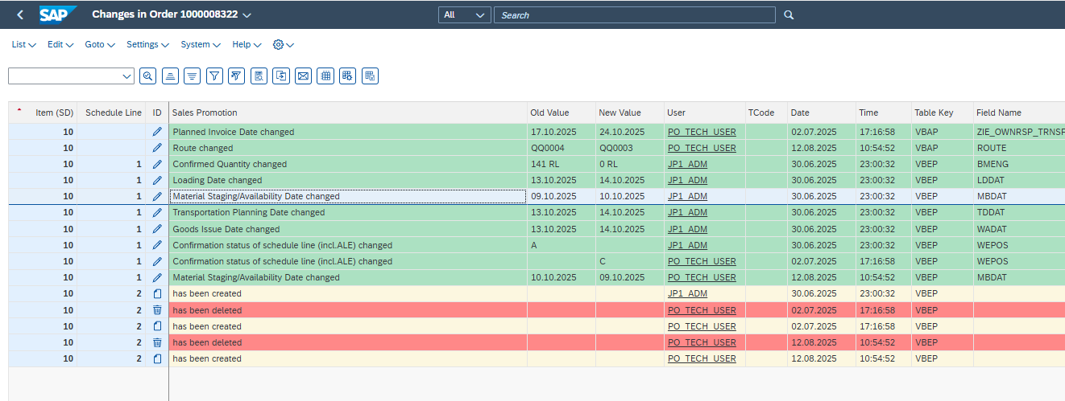

select * from CDPOSwhere CDPOS.MANDANT = '420'
and CDPOS.OBJECTCLAS ='VERKBELEG'
and CDPOS.FNAME='EDATU'
limit 100

 | CHANGENR | CHNGIND | FNAME | MANDANT | OBJECTCLAS | OBJECTID | TABKEY | TABNAME | CUKY_NEW | CUKY_OLD | TEXT_CASE | UNIT_NEW | UNIT_OLD | VALUE_NEW | VALUE_OLD | _DATAAGING | _FIVETRAN_DELETED | _FIVETRAN_SYNCED
 | 0010408603 | I | KEY | 420 | VERKBELEG | 1000006318 | 42010000063180000100001 | VBEP |  |  | 1 |  |  |  |  |  | false | 2025-10-16 15:23:16.173 Z
 | 0010408630 | I | KEY | 420 | VERKBELEG | 1000004979 | 42010000049790000300001 | VBEP |  |  | 1 |  |  |  |  |  | false | 2025-10-16 15:23:16.173 Z
 | 0010408689 | I | KEY | 420 | VERKBELEG | 1000005293 | 42010000052930000100001 | VBEP |  |  | 1 |  |  |  |  |  | false | 2025-10-16 15:23:16.174 Z
 | 0010408555 | I | KEY | 420 | VERKBELEG | 1000002071 | 42010000020710000200001 | VBEP |  |  | 1 |  |  |  |  |  | false | 2025-10-16 15:23:16.173 Z
 | 0010408646 | I | KEY | 420 | VERKBELEG | 1000003775 | 42010000037750000300001 | VBEP |  |  | 1 |  |  |  |  |  | false | 2025-10-16 15:23:16.174 Z
 | 0010408659 | I | KEY | 420 | VERKBELEG | 1000006949 | 42010000069490000100001 | VBEP |  |  | 1 |  |  |  |  |  | false | 2025-10-16 15:23:16.174 Z
 | 0010408690 | I | KEY | 420 | VERKBELEG | 1000007189 | 42010000071890000100001 | VBEP |  |  | 1 |  |  |  |  |  | false | 2025-10-16 15:23:16.174 Z
 | 0010408707 | I | KEY | 420 | VERKBELEG | 1000025265 | 42010000252650000300001 | VBEP |  |  | 1 |  |  |  |  |  | false | 2025-10-16 15:23:16.174 Z
 | 0010408662 | I | KEY | 420 | VERKBELEG | 1000006698 | 42010000066980000100001 | VBEP |  |  | 1 |  |  |  |  |  | false | 2025-10-16 15:23:16.174 Z
 | 0010408715 | D | KEY | 420 | VERKBELEG | 1000005062 | 42010000050620000600002 | VBEP |  |  | 1 |  |  |  |  |  | false | 2025-10-16 15:23:16.174 Z
 | 0010408617 | D | KEY | 420 | VERKBELEG | 1000007241 | 42010000072410001300002 | VBEP |  |  | 1 |  |  |  |  |  | false | 2025-10-16 15:23:16.173 Z
 | 0010408635 | I | KEY | 420 | VERKBELEG | 1000006060 | 42010000060600000300001 | VBEP |  |  | 1 |  |  |  |  |  | false | 2025-10-16 15:23:16.173 Z
 | 0010408656 | I | KEY | 420 | VERKBELEG | 1000006328 | 42010000063280000100001 | VBEP |  |  | 1 |  |  |  |  |  | false | 2025-10-16 15:23:16.174 Z
 | 0010408581 | I | KEY | 420 | VERKBELEG | 1000005697 | 42010000056970000200001 | VBEP |  |  | 1 |  |  |  |  |  | false | 2025-10-16 15:23:16.173 Z
 | 0010408585 | U | EDATU | 420 | VERKBELEG | 1000005983 | 42010000059830003500084 | VBEP |  |  | 1 |  |  | 20251031 | 20991231 |  | false | 2025-10-16 15:23:16.173 Z
 | 0010408580 | U | BMENG | 420 | VERKBELEG | 1000005474 | 42010000054740000400003 | VBEP |  |  | 1 | ST | ST | 6400.000 | 8000.000 |  | false | 2025-10-16 15:23:16.173 Z
 | 0010408678 | I | KEY | 420 | VERKBELEG | 1000007378 | 42010000073780000100001 | VBEP |  |  | 1 |  |  |  |  |  | false | 2025-10-16 15:23:16.174 Z
 | 0010408676 | I | KEY | 420 | VERKBELEG | 1000006481 | 42010000064810000100001 | VBEP |  |  | 1 |  |  |  |  |  | false | 2025-10-16 15:23:16.174 Z
 | 0010408671 | I | KEY | 420 | VERKBELEG | 1000005256 | 42010000052560000300001 | VBEP |  |  | 1 |  |  |  |  |  | false | 2025-10-16 15:23:16.174 Z
 | 0010408572 | I | KEY | 420 | VERKBELEG | 1000003072 | 42010000030720000100001 | VBEP |  |  | 1 |  |  |  |  |  | false | 2025-10-16 15:23:16.173 Z
 | 0010408611 | I | KEY | 420 | VERKBELEG | 1000007102 | 42010000071020000500002 | VBEP |  |  | 1 |  |  |  |  |  | false | 2025-10-16 15:23:16.173 Z
 | 0010408718 | I | KEY | 420 | VERKBELEG | 1000004674 | 42010000046740000200002 | VBEP |  |  | 1 |  |  |  |  |  | false | 2025-10-16 15:23:16.174 Z
 | 0010408585 | U | TDDAT | 420 | VERKBELEG | 1000005983 | 42010000059830003500021 | VBEP |  |  | 1 |  |  | 20251017 | 20251024 |  | false | 2025-10-16 15:23:16.173 Z
 | 0010408585 | U | MBDAT | 420 | VERKBELEG | 1000005983 | 42010000059830003500084 | VBEP |  |  | 1 |  |  | 20251016 | 20991222 |  | false | 2025-10-16 15:23:16.173 Z
 | 0010408717 | I | KEY | 420 | VERKBELEG | 1000007343 | 42010000073430000100002 | VBEP |  |  | 1 |  |  |  |  |  | false | 2025-10-16 15:23:16.174 Z
 | 0010408717 | I | KEY | 420 | VERKBELEG | 1000007343 | 42010000073430000200001 | VBEP |  |  | 1 |  |  |  |  |  | false | 2025-10-16 15:23:16.174 Z
 | 0010408704 | I | KEY | 420 | VERKBELEG | 1000007244 | 42010000072440000300001 | VBEP |  |  | 1 |  |  |  |  |  | false | 2025-10-16 15:23:16.174 Z
 | 0010408638 | I | KEY | 420 | VERKBELEG | 1000005871 | 42010000058710000100001 | VBEP |  |  | 1 |  |  |  |  |  | false | 2025-10-16 15:23:16.173 Z
 | 0010408585 | U | TDDAT | 420 | VERKBELEG | 1000005983 | 42010000059830003500016 | VBEP |  |  | 1 |  |  | 20251020 | 20251017 |  | false | 2025-10-16 15:23:16.173 Z
 | 0010408721 | I | KEY | 420 | VERKBELEG | 1000007343 | 42010000073430000200002 | VBEP |  |  | 1 |  |  |  |  |  | false | 2025-10-16 15:23:16.174 Z
 | 0010408665 | I | KEY | 420 | VERKBELEG | 1000006135 | 42010000061350000100001 | VBEP |  |  | 1 |  |  |  |  |  | false | 2025-10-16 15:23:16.174 Z
 | 0010408585 | U | BMENG | 420 | VERKBELEG | 1000005983 | 42010000059830003500085 | VBEP |  |  | 1 | ST | ST | 2200.000 | 3700.000 |  | false | 2025-10-16 15:23:16.173 Z
 | 0010408607 | I | KEY | 420 | VERKBELEG | 1000007063 | 42010000070630000100001 | VBEP |  |  | 1 |  |  |  |  |  | false | 2025-10-16 15:23:16.173 Z
 | 0010408669 | I | KEY | 420 | VERKBELEG | 1000006952 | 42010000069520000100001 | VBEP |  |  | 1 |  |  |  |  |  | false | 2025-10-16 15:23:16.174 Z
 | 0010408708 | I | KEY | 420 | VERKBELEG | 1000025280 | 42010000252800000100001 | VBEP |  |  | 1 |  |  |  |  |  | false | 2025-10-16 15:23:16.174 Z
 | 0010408679 | I | KEY | 420 | VERKBELEG | 1000006897 | 42010000068970000300001 | VBEP |  |  | 1 |  |  |  |  |  | false | 2025-10-16 15:23:16.174 Z
 | 0010408564 | I | KEY | 420 | VERKBELEG | 1000002081 | 42010000020810002300001 | VBEP |  |  | 1 |  |  |  |  |  | false | 2025-10-16 15:23:16.173 Z
 | 0010408585 | D | KEY | 420 | VERKBELEG | 1000005983 | 42010000059830018700002 | VBEP |  |  | 1 |  |  |  |  |  | false | 2025-10-16 15:23:16.173 Z
 | 0010408585 | I | KEY | 420 | VERKBELEG | 1000005983 | 42010000059830018500001 | VBEP |  |  | 1 |  |  |  |  |  | false | 2025-10-16 15:23:16.173 Z
 | 0010408579 | D | KEY | 420 | VERKBELEG | 1000005179 | 42010000051790000300002 | VBEP |  |  | 1 |  |  |  |  |  | false | 2025-10-16 15:23:16.173 Z
 | 0010408654 | I | KEY | 420 | VERKBELEG | 1000004161 | 42010000041610000100001 | VBEP |  |  | 1 |  |  |  |  |  | false | 2025-10-16 15:23:16.174 Z
 | 0010408606 | I | KEY | 420 | VERKBELEG | 1000005693 | 42010000056930000200001 | VBEP |  |  | 1 |  |  |  |  |  | false | 2025-10-16 15:23:16.173 Z
 | 0010408556 | I | KEY | 420 | VERKBELEG | 1000005728 | 42010000057280000100001 | VBEP |  |  | 1 |  |  |  |  |  | false | 2025-10-16 15:23:16.173 Z
 | 0010408699 | I | KEY | 420 | VERKBELEG | 1000005464 | 42010000054640000100001 | VBEP |  |  | 1 |  |  |  |  |  | false | 2025-10-16 15:23:16.174 Z
 | 0010408642 | I | KEY | 420 | VERKBELEG | 1000005771 | 42010000057710000700001 | VBEP |  |  | 1 |  |  |  |  |  | false | 2025-10-16 15:23:16.173 Z
 | 0010408561 | I | KEY | 420 | VERKBELEG | 1000007177 | 42010000071770000100001 | VBEP |  |  | 1 |  |  |  |  |  | false | 2025-10-16 15:23:16.173 Z
 | 0010408714 | I | KEY | 420 | VERKBELEG | 1000005929 | 42010000059290000400002 | VBEP |  |  | 1 |  |  |  |  |  | false | 2025-10-16 15:23:16.174 Z
 | 0010408701 | I | KEY | 420 | VERKBELEG | 1000006819 | 42010000068190000600001 | VBEP |  |  | 1 |  |  |  |  |  | false | 2025-10-16 15:23:16.174 Z
 | 0010408617 | I | KEY | 420 | VERKBELEG | 1000007241 | 42010000072410000400002 | VBEP |  |  | 1 |  |  |  |  |  | false | 2025-10-16 15:23:16.173 Z
 | 0010408722 | I | KEY | 420 | VERKBELEG | 1000007185 | 42010000071850000100002 | VBEP |  |  | 1 |  |  |  |  |  | false | 2025-10-16 15:23:16.174 Z
 | 0010408619 | I | KEY | 420 | VERKBELEG | 1000003613 | 42010000036130000100001 | VBEP |  |  | 1 |  |  |  |  |  | false | 2025-10-16 15:23:16.173 Z
 | 0010408626 | I | KEY | 420 | VERKBELEG | 1000007395 | 42010000073950000600002 | VBEP |  |  | 1 |  |  |  |  |  | false | 2025-10-16 15:23:16.173 Z
 | 0010408567 | I | KEY | 420 | VERKBELEG | 1000005338 | 42010000053380000700001 | VBEP |  |  | 1 |  |  |  |  |  | false | 2025-10-16 15:23:16.173 Z
 | 0010408651 | I | KEY | 420 | VERKBELEG | 1000006115 | 42010000061150000100001 | VBEP |  |  | 1 |  |  |  |  |  | false | 2025-10-16 15:23:16.174 Z
 | 0010408579 | I | KEY | 420 | VERKBELEG | 1000005179 | 42010000051790000300002 | VBEP |  |  | 1 |  |  |  |  |  | false | 2025-10-16 15:23:16.173 Z
 | 0010408711 | I | KEY | 420 | VERKBELEG | 1000006349 | 42010000063490000100002 | VBEP |  |  | 1 |  |  |  |  |  | false | 2025-10-16 15:23:16.174 Z
 | 0010408625 | I | KEY | 420 | VERKBELEG | 1000007397 | 42010000073970000300001 | VBEP |  |  | 1 |  |  |  |  |  | false | 2025-10-16 15:23:16.173 Z
 | 0010408703 | I | KEY | 420 | VERKBELEG | 1000005681 | 42010000056810000100001 | VBEP |  |  | 1 |  |  |  |  |  | false | 2025-10-16 15:23:16.174 Z
 | 0010408557 | I | KEY | 420 | VERKBELEG | 2260001086 | 42022600010860000300001 | VBEP |  |  | 1 |  |  |  |  |  | false | 2025-10-16 15:23:16.173 Z
 | 0010408715 | I | KEY | 420 | VERKBELEG | 1000005062 | 42010000050620000600002 | VBEP |  |  | 1 |  |  |  |  |  | false | 2025-10-16 15:23:16.174 Z
 | 0010408684 | I | KEY | 420 | VERKBELEG | 1000006138 | 42010000061380000500001 | VBEP |  |  | 1 |  |  |  |  |  | false | 2025-10-16 15:23:16.174 Z
 | 0010408573 | I | KEY | 420 | VERKBELEG | 1000003087 | 42010000030870000100002 | VBEP |  |  | 1 |  |  |  |  |  | false | 2025-10-16 15:23:16.173 Z
 | 0010408631 | I | KEY | 420 | VERKBELEG | 1000006280 | 42010000062800000100001 | VBEP |  |  | 1 |  |  |  |  |  | false | 2025-10-16 15:23:16.173 Z
 | 0010408617 | I | KEY | 420 | VERKBELEG | 1000007241 | 42010000072410001100001 | VBEP |  |  | 1 |  |  |  |  |  | false | 2025-10-16 15:23:16.173 Z
 | 0010408625 | I | KEY | 420 | VERKBELEG | 1000007397 | 42010000073970000200001 | VBEP |  |  | 1 |  |  |  |  |  | false | 2025-10-16 15:23:16.173 Z
 | 0010408697 | I | KEY | 420 | VERKBELEG | 1000005294 | 42010000052940000100001 | VBEP |  |  | 1 |  |  |  |  |  | false | 2025-10-16 15:23:16.174 Z
 | 0010408666 | I | KEY | 420 | VERKBELEG | 1000006593 | 42010000065930000100001 | VBEP |  |  | 1 |  |  |  |  |  | false | 2025-10-16 15:23:16.174 Z
 | 0010408639 | I | KEY | 420 | VERKBELEG | 1000006468 | 42010000064680000100001 | VBEP |  |  | 1 |  |  |  |  |  | false | 2025-10-16 15:23:16.173 Z
 | 0010408718 | D | KEY | 420 | VERKBELEG | 1000004674 | 42010000046740000200002 | VBEP |  |  | 1 |  |  |  |  |  | false | 2025-10-16 15:23:16.174 Z
 | 0010408670 | I | KEY | 420 | VERKBELEG | 1000007338 | 42010000073380000100001 | VBEP |  |  | 1 |  |  |  |  |  | false | 2025-10-16 15:23:16.174 Z
 | 0010408580 | I | KEY | 420 | VERKBELEG | 1000005474 | 42010000054740001400001 | VBEP |  |  | 1 |  |  |  |  |  | false | 2025-10-16 15:23:16.173 Z
 | 0010408720 | D | KEY | 420 | VERKBELEG | 1000006134 | 42010000061340001000002 | VBEP |  |  | 1 |  |  |  |  |  | false | 2025-10-16 15:23:16.174 Z
 | 0010408617 | I | KEY | 420 | VERKBELEG | 1000007241 | 42010000072410001000001 | VBEP |  |  | 1 |  |  |  |  |  | false | 2025-10-16 15:23:16.173 Z
 | 0010408598 | I | KEY | 420 | VERKBELEG | 1000006279 | 42010000062790000100001 | VBEP |  |  | 1 |  |  |  |  |  | false | 2025-10-16 15:23:16.173 Z
 | 0010408585 | D | KEY | 420 | VERKBELEG | 1000005983 | 42010000059830018600002 | VBEP |  |  | 1 |  |  |  |  |  | false | 2025-10-16 15:23:16.173 Z
 | 0010408579 | I | KEY | 420 | VERKBELEG | 1000005179 | 42010000051790000400002 | VBEP |  |  | 1 |  |  |  |  |  | false | 2025-10-16 15:23:16.173 Z
 | 0010408717 | D | KEY | 420 | VERKBELEG | 1000007343 | 42010000073430000100002 | VBEP |  |  | 1 |  |  |  |  |  | false | 2025-10-16 15:23:16.174 Z
 | 0010408626 | D | KEY | 420 | VERKBELEG | 1000007395 | 42010000073950000600002 | VBEP |  |  | 1 |  |  |  |  |  | false | 2025-10-16 15:23:16.173 Z
 | 0010408703 | I | KEY | 420 | VERKBELEG | 1000005681 | 42010000056810000200001 | VBEP |  |  | 1 |  |  |  |  |  | false | 2025-10-16 15:23:16.174 Z
 | 0010408688 | I | KEY | 420 | VERKBELEG | 1000005256 | 42010000052560000400001 | VBEP |  |  | 1 |  |  |  |  |  | false | 2025-10-16 15:23:16.174 Z
 | 0010408645 | I | KEY | 420 | VERKBELEG | 1000005034 | 42010000050340000100001 | VBEP |  |  | 1 |  |  |  |  |  | false | 2025-10-16 15:23:16.174 Z
 | 0010408627 | I | KEY | 420 | VERKBELEG | 1000006082 | 42010000060820000400001 | VBEP |  |  | 1 |  |  |  |  |  | false | 2025-10-16 15:23:16.173 Z
 | 0010408721 | I | KEY | 420 | VERKBELEG | 1000007343 | 42010000073430000100001 | VBEP |  |  | 1 |  |  |  |  |  | false | 2025-10-16 15:23:16.174 Z
 | 0010408617 | D | KEY | 420 | VERKBELEG | 1000007241 | 42010000072410000400002 | VBEP |  |  | 1 |  |  |  |  |  | false | 2025-10-16 15:23:16.173 Z
 | 0010408695 | I | KEY | 420 | VERKBELEG | 1000007132 | 42010000071320000200001 | VBEP |  |  | 1 |  |  |  |  |  | false | 2025-10-16 15:23:16.174 Z
 | 0010408610 | I | KEY | 420 | VERKBELEG | 1000005819 | 42010000058190000100001 | VBEP |  |  | 1 |  |  |  |  |  | false | 2025-10-16 15:23:16.173 Z
 | 0010408617 | I | KEY | 420 | VERKBELEG | 1000007241 | 42010000072410000300001 | VBEP |  |  | 1 |  |  |  |  |  | false | 2025-10-16 15:23:16.173 Z
 | 0010408629 | I | KEY | 420 | VERKBELEG | 1000002804 | 42010000028040000200001 | VBEP |  |  | 1 |  |  |  |  |  | false | 2025-10-16 15:23:16.173 Z
 | 0010408578 | I | KEY | 420 | VERKBELEG | 1000004614 | 42010000046140000100001 | VBEP |  |  | 1 |  |  |  |  |  | false | 2025-10-16 15:23:16.173 Z
 | 0010408675 | I | KEY | 420 | VERKBELEG | 1000006339 | 42010000063390000100001 | VBEP |  |  | 1 |  |  |  |  |  | false | 2025-10-16 15:23:16.174 Z
 | 0010408720 | I | KEY | 420 | VERKBELEG | 1000006134 | 42010000061340001000002 | VBEP |  |  | 1 |  |  |  |  |  | false | 2025-10-16 15:23:16.174 Z
 | 0010408616 | I | KEY | 420 | VERKBELEG | 1000005870 | 42010000058700000100001 | VBEP |  |  | 1 |  |  |  |  |  | false | 2025-10-16 15:23:16.173 Z
 | 0010408711 | D | KEY | 420 | VERKBELEG | 1000006349 | 42010000063490000100002 | VBEP |  |  | 1 |  |  |  |  |  | false | 2025-10-16 15:23:16.174 Z
 | 0010408637 | I | KEY | 420 | VERKBELEG | 1000006488 | 42010000064880000100001 | VBEP |  |  | 1 |  |  |  |  |  | false | 2025-10-16 15:23:16.173 Z
 | 0010408683 | I | KEY | 420 | VERKBELEG | 1000006371 | 42010000063710000500001 | VBEP |  |  | 1 |  |  |  |  |  | false | 2025-10-16 15:23:16.174 Z
 | 0010408710 | D | KEY | 420 | VERKBELEG | 1000025268 | 42010000252680000100002 | VBEP |  |  | 1 |  |  |  |  |  | false | 2025-10-16 15:23:16.174 Z
 | 0010408710 | I | KEY | 420 | VERKBELEG | 1000025268 | 42010000252680000100002 | VBEP |  |  | 1 |  |  |  |  |  | false | 2025-10-16 15:23:16.174 Z
 | 0010408571 | I | KEY | 420 | VERKBELEG | 1000003086 | 42010000030860000100001 | VBEP |  |  | 1 |  |  |  |  |  | false | 2025-10-16 15:23:16.173 Z
 | 0010408664 | I | KEY | 420 | VERKBELEG | 1000006082 | 42010000060820000300001 | VBEP |  |  | 1 |  |  |  |  |  | false | 2025-10-16 15:23:16.174 Z
 | 0010408617 | D | KEY | 420 | VERKBELEG | 1000007241 | 42010000072410001200002 | VBEP |  |  | 1 |  |  |  |  |  | false | 2025-10-16 15:23:16.173 Z

VBAP
Sales Doc. | Item | Material | Material Entered | Pr.RefMatl | Batch | Matl Group | Item Description | ItCa | IT | Proc.Code | DlI | BilRl | HgLvIt | AltItm | Rj | Prod.Hier. | DscontnDte | DscontnTme | Fllwup Itm | Pick. Crit | Node ID | Rlvt Date | Node ID | Rlvt Date | Targ. Val. | Target Qty | UoM | ConvFactor | ConvFactor | BUn | Numerator for Conversion | Denominator for Conversion | Scale Qty | Round qty | Recon.Date | DQty | POItem | Cust. Mat. | Dev% | Days | Class.Item | Usage | Grp | Fix | U | Over. Tol. | Under.Tol. | BB | R | BlMe. | Dv | BusA | Net Value | Curr. | PD | PD | Resource | BS | Order qty | ReqDlvQty | Cum.Cf.Qty | Cum.Cf.Qty | SU | Numerator | Denominat. | Gross | Net Weight | WUn | Volume | VUn | OriginDoc. | Orig .Item | Ref. Doc. | RefItm | CmRf | U | ComRl | DPrio | Plnt | Location | ShPt | Route | OrBOM | BOM key dt | BOM | BOM Itm No | Prb | Created On | Created | Time | TaxCl | TaxCl | TaxCl | TaxCl | TaxCl | TaxCl | TaxCl | TaxCl
1000008322 | 10 | CL0222-2996-0-70-000 | CL0222-2996-0-70-000 |  |  | 05:Q | TM11RX-5M2-88-LP0-DIR(70) | ZMTO |  |  |  | A |  |  |  |  |  | 00:00:00 |  |  |  |  |  |  | 0.00 | 0 | RL | 200 | 1 | PC | 0 | 0 | 0 | 0 |  | 0 |  | RS2705 | 0 | 0 |  |  |  |  |  | 0.0 | 0.0 |  |  |  | 00 |  | 19,063.20 | EUR | 0 |  |  |  | 141 | 141 | 141 | 28,200 | RL | 200 | 1 | 78,339.600 | 78,339.600 | G |  |  | 1000008322 | 10 |  |  |  |  |  |  | 1141 | 1010 | 9039 | QQ0003 |  |  |  | 0 | 100 | 30.06.2025 | Y5263974 | 22:35:00 | 1

MANDT | POSNR | VBELN | _DMBE_ACCOUNTING_TYPE | _DMBE_CIMAX2 | _DMBE_COMPONENTFOR | _DMBE_DEAL_POSTED | _DMBE_EFFECTIVEDATEFROM | _DMBE_EFFECTIVEDATETO | _DMBE_FAS_CODE | _DMBE_INVOICEUOM | _DMBE_ITEM_TYPE | _DMBE_MIXEDPRODUCT | _DMBE_OPTIONALITYFOR | _DMBE_OPTIONALITYKEY | _DMBE_OPTIONOF | _DMBE_PAYMENTDEEMED | _DMBE_POSTEDDATE | _DMBE_SCHEDULING_DESK | ABDAT | ABFOR | ABGES | ABGRS | ABGRU | ABLFZ | ABSFZ | ABSTA | AD01PROFNR | ADACN | ADDNS | ADICC | ADMOI | ADPRI | AEDAT | ANTLF | ANZSN | APCGK_EXTENDI | APLZL_OAA | APLZL_OLC | ARKTX | ARSNUM | ARSPOS | ARUN_GROUP_PRIO | ASSIGNMENT_PRIORITY | ATPKZ | ATP_ABC_SUBSTITUTION_STATUS | AUART_ANA | AUDAT_ANA | AUFNR | AUFPL_OAA | AUFPL_OLC | AUGRU_ANA | AWAHR | BATCH_BILLING_VARIANT | BEDAE | BERID | BESTA | BETC | BOB_FG_ID | BOB_PROMOTION_ID | BONUS | BPN | BRGEW | BSTKD_ANA | BUDGET_PD | BWTAR | BWTEX | BZIRK_ANA | CANCEL_ALLOW | CAPPED_NET_AMOUNT | CAPPED_NET_AMOUNT_ALERT_THLD | CATS_OVERTIME_CATEGORY | CEPOK | CHARG | CHMVS | CHSPL | CLINT | CMKUA | CMPNT | CMPPI | CMPPJ | CMPRE | CMPRE_FLT | CMTD_DELIV_CREADATE | CMTD_DELIV_DATE | CMTD_DELIV_QTY_SU | CMTFG | COSTA | CPD_UPDAT | CUOBJ | CUOBJ_CH | DCSTA | DELIVERY_DATE_TYPE_RULE | DELIV_RELTD_BILLG_STA | DGSTA | DISCONTINUED_DATE | DISCONTINUED_TIME | DP_CLEAR_STA_ITM | DUMMY_SLSDOCITEM_INCL_EEW_PS | EAN11 | EANNR | EMCST | EQART | EQUNR | ERDAT | ERLRE | ERNAM | ERZET | EXART | EXT_REF_ITEM_ID | FABSG | FAKSP | FERC_IND | FISCAL_INCENTIVE | FISCAL_INCENTIVE_ID | FISTL | FIXMG | FKBER | FKDAT_ANA | FKREL | FKSAA | FMENG | FMFGUS_KEY | FOLLOW_UP_ITEM | FONDS | FPLNR_ANA | FREEZE_PAOBJNR | FSH_CANDATE | FSH_COLLECTION | FSH_CRSD | FSH_GRID_COND_REC | FSH_ITEM | FSH_ITEM_GROUP | FSH_PQR_UEPOS | FSH_PSM_PFM_SPLIT | FSH_SEAREF | FSH_SEASON | FSH_SEASON_YEAR | FSH_THEME | FSH_TRANSACTION | FSH_VASREF | FSH_VAS_PRNT_ID | FSH_VAS_REL | FSSTA | GBSTA | GEWEI | GLO_LOG_REF1_IT | GRANT_NBR | GRKOR | GRPOS | GSBER | HANDLE | HANDOVERDATE | HANDOVERLOC | HANDOVERTIME | IFRS15_RELEVANCE | IFRS15_TOTAL_SSP | IUID_RELEVANT | J_1BCFOP | J_1BTAXLW1 | J_1BTAXLW2 | J_1BTAXLW3 | J_1BTAXLW4 | J_1BTAXLW5 | J_1BTXSDC | J_3GBELNRI | J_3GDATBI | J_3GDATVO | J_3GLVART | J_3GPOSNRI | KALNR | KALSM_K | KALVAR | KANNR | KBMENG | KBVER | KDGRP_ANA | KDMAT | KEVER | KLMENG | KLVAR | KMEIN | KMPMG | KNTTP | KNUMA_AG | KNUMA_PI | KNUMH | KNUMV_ANA | KONDM | KOSCH | KOSTL | KOUPD | KOWRR | KPEIN | KTGRM | KUNNR_ANA | KUNRE_ANA | KUNRG_ANA | KUNWE_ANA | KVGR1_ANA | KVGR2_ANA | KVGR3_ANA | KVGR4_ANA | KVGR5_ANA | KWMENG | KZBWS | KZFME | KZTLF | KZVBR | KZWI1 | KZWI2 | KZWI3 | KZWI4 | KZWI5 | KZWI6 | LABSG | LFGSA | LFMNG | LFREL | LFSTA | LGLC_LIC_IND | LGORT | LMD_SCHEDULED_DELIVERY_DATE | LOGSYS_EXT | LPRIO | LSMENG | LSSTA | LSTANR | MAGRV | MANEK | MANUAL_TC_REASON | MATKL | MATNR | MATWA | MEINS | MFRGR | MILL_BATCH_SEL_F | MILL_SE_GPOSN | MOD_ALLOW | MPROK | MSR_APPROV_BLOCK | MSR_REFUND_CODE | MSR_RET_REASON | MTVFP | MVGR1 | MVGR2 | MVGR3 | MVGR4 | MVGR5 | MWSBP | NACHL | NETPR | NETWR | NRAB_KNUMH | NTGEW | OBJNR
420 | 000060 | 1000005771 |  |  | 0000 |  |  |  |  |  |  |  | 0000 | 0000 | 000000 |  |  |  |  |  | 0 |  |  | 0 | 0 | A |  |  |  | 00 |  |  | 45946 | 0 | 0 | 0000000000 | 00000000 | 00000000 | DM1B-DSF-PEJ(92) | 0000000000 | 0000 |  |  |  |  | ZS01 | 45758 |  | 0000000000 | 0000000000 |  | 100 |  | 011 | 1141 | C |  | 0 | 0 |  |  | 15120 | 530894 |  |  |  |  |  | 0 | 000 |  |  |  | 000 |  | 0000000000 | 1 | X |  |  | 0.69 | 0.69 | 45847 | 45856 | 7200 |  |  | 20251016130341 | 000000000000000000 | 000000000000000000 |  |  |  |  |  | 000000 |  |  |  |  |  |  |  | 45758 |  | JP1_ADM | 161518 |  |  |  |  |  |  |  |  |  |  | 45758 | A |  |  |  | 000000 |  |  |  |  |  |  |  | 00000 | 00000 | 000000 |  |  |  |  |  |  |  | 000000 |  |  | A | G |  |  | 000 | 000000 |  | 0050568B63441FE085D496C62B4C43FF |  |  | 000000 |  | 0 |  |  |  |  |  |  |  |  |  |  |  |  | 00000 | 000000000000 |  |  |  | 7200 | 0 | BA | 297987 | 0 | 7200 |  | RL | 0 |  |  |  |  | 0000017948 |  |  |  |  |  | 1 | 11 | 0201410061 | 0201410061 | 0201410061 | 0411410176 |  |  |  |  | E05 | 7200 |  |  |  |  | 4968 | 0 | 0 | 0 | 0 | 0 |  | A | 0 |  | A |  | 1010 |  | HQ2CLNT420 | 00 | 7200 |  |  |  |  |  | 15:PCC | CL06090003592000 | CL06090003592000 | ST |  |  | 000000 |  | A |  |  |  | Z1 | A01 |  |  |  |  | 0 |  | 310.5 | 4968 |  | 15120

SELECT *
FROM VBAP
where VBAP.VBELN ='1000005771'
and VBAP.POSNR = '000060'
and VBAP.MANDT= '420'
MANDT | 420
POSNR | 000060
VBELN | 1000005771
_DMBE_ACCOUNTING_TYPE
_DMBE_CIMAX2
_DMBE_COMPONENTFOR | 0000
_DMBE_DEAL_POSTED
_DMBE_EFFECTIVEDATEFROM
_DMBE_EFFECTIVEDATETO
_DMBE_FAS_CODE
_DMBE_INVOICEUOM
_DMBE_ITEM_TYPE
_DMBE_MIXEDPRODUCT
_DMBE_OPTIONALITYFOR | 0000
_DMBE_OPTIONALITYKEY | 0000
_DMBE_OPTIONOF | 000000
_DMBE_PAYMENTDEEMED
_DMBE_POSTEDDATE
_DMBE_SCHEDULING_DESK
ABDAT
ABFOR
ABGES | 0
ABGRS
ABGRU
ABLFZ | 0
ABSFZ | 0
ABSTA | A
AD01PROFNR
ADACN
ADDNS
ADICC | 00
ADMOI
ADPRI
AEDAT | 45946
ANTLF | 0
ANZSN | 0
APCGK_EXTENDI | 0000000000
APLZL_OAA | 00000000
APLZL_OLC | 00000000
ARKTX | DM1B-DSF-PEJ(92)
ARSNUM | 0000000000
ARSPOS | 0000
ARUN_GROUP_PRIO
ASSIGNMENT_PRIORITY
ATPKZ
ATP_ABC_SUBSTITUTION_STATUS
AUART_ANA | ZS01
AUDAT_ANA | 45758
AUFNR
AUFPL_OAA | 0000000000
AUFPL_OLC | 0000000000
AUGRU_ANA
AWAHR | 100
BATCH_BILLING_VARIANT
BEDAE | 011
BERID | 1141
BESTA | C
BETC
BOB_FG_ID | 0
BOB_PROMOTION_ID | 0
BONUS
BPN
BRGEW | 15120
BSTKD_ANA | 530894
BUDGET_PD
BWTAR
BWTEX
BZIRK_ANA
CANCEL_ALLOW
CAPPED_NET_AMOUNT | 0
CAPPED_NET_AMOUNT_ALERT_THLD | 000
CATS_OVERTIME_CATEGORY
CEPOK
CHARG
CHMVS | 000
CHSPL
CLINT | 0000000000
CMKUA | 1
CMPNT | X
CMPPI
CMPPJ
CMPRE | 0.69
CMPRE_FLT | 0.69
CMTD_DELIV_CREADATE | 45847
CMTD_DELIV_DATE | 45856
CMTD_DELIV_QTY_SU | 7200
CMTFG
COSTA
CPD_UPDAT | 20251016130341
CUOBJ | 000000000000000000
CUOBJ_CH | 000000000000000000
DCSTA
DELIVERY_DATE_TYPE_RULE
DELIV_RELTD_BILLG_STA
DGSTA
DISCONTINUED_DATE
DISCONTINUED_TIME | 000000
DP_CLEAR_STA_ITM
DUMMY_SLSDOCITEM_INCL_EEW_PS
EAN11
EANNR
EMCST
EQART
EQUNR
ERDAT | 45758
ERLRE
ERNAM | JP1_ADM
ERZET | 161518
EXART
EXT_REF_ITEM_ID
FABSG
FAKSP
FERC_IND
FISCAL_INCENTIVE
FISCAL_INCENTIVE_ID
FISTL
FIXMG
FKBER
FKDAT_ANA | 45758
FKREL | A
FKSAA
FMENG
FMFGUS_KEY
FOLLOW_UP_ITEM | 000000
FONDS
FPLNR_ANA
FREEZE_PAOBJNR
FSH_CANDATE
FSH_COLLECTION
FSH_CRSD
FSH_GRID_COND_REC
FSH_ITEM | 00000
FSH_ITEM_GROUP | 00000
FSH_PQR_UEPOS | 000000
FSH_PSM_PFM_SPLIT
FSH_SEAREF
FSH_SEASON
FSH_SEASON_YEAR
FSH_THEME
FSH_TRANSACTION
FSH_VASREF
FSH_VAS_PRNT_ID | 000000
FSH_VAS_REL
FSSTA
GBSTA | A
GEWEI | G
GLO_LOG_REF1_IT
GRANT_NBR
GRKOR | 000
GRPOS | 000000
GSBER
HANDLE | 0050568B63441FE085D496C62B4C43FF
HANDOVERDATE
HANDOVERLOC
HANDOVERTIME | 000000
IFRS15_RELEVANCE
IFRS15_TOTAL_SSP | 0
IUID_RELEVANT
J_1BCFOP
J_1BTAXLW1
J_1BTAXLW2
J_1BTAXLW3
J_1BTAXLW4
J_1BTAXLW5
J_1BTXSDC
J_3GBELNRI
J_3GDATBI
J_3GDATVO
J_3GLVART
J_3GPOSNRI | 00000
KALNR | 000000000000
KALSM_K
KALVAR
KANNR
KBMENG | 7200
KBVER | 0
KDGRP_ANA | BA
KDMAT | 297987
KEVER | 0
KLMENG | 7200
KLVAR
KMEIN | RL
KMPMG | 0
KNTTP
KNUMA_AG
KNUMA_PI
KNUMH
KNUMV_ANA | 0000017948
KONDM
KOSCH
KOSTL
KOUPD
KOWRR
KPEIN | 1
KTGRM | 11
KUNNR_ANA | 0201410061
KUNRE_ANA | 0201410061
KUNRG_ANA | 0201410061
KUNWE_ANA | 0411410176
KVGR1_ANA
KVGR2_ANA
KVGR3_ANA
KVGR4_ANA
KVGR5_ANA | E05
KWMENG | 7200
KZBWS
KZFME
KZTLF
KZVBR
KZWI1 | 4968
KZWI2 | 0
KZWI3 | 0
KZWI4 | 0
KZWI5 | 0
KZWI6 | 0
LABSG
LFGSA | A
LFMNG | 0
LFREL
LFSTA | A
LGLC_LIC_IND
LGORT | 1010
LMD_SCHEDULED_DELIVERY_DATE
LOGSYS_EXT | HQ2CLNT420
LPRIO | 00
LSMENG | 7200
LSSTA
LSTANR
MAGRV
MANEK
MANUAL_TC_REASON
MATKL | 15:PCC
MATNR | CL06090003592000
MATWA | CL06090003592000
MEINS | ST
MFRGR
MILL_BATCH_SEL_F
MILL_SE_GPOSN | 000000
MOD_ALLOW
MPROK | A
MSR_APPROV_BLOCK
MSR_REFUND_CODE
MSR_RET_REASON
MTVFP | Z1
MVGR1 | A01
MVGR2
MVGR3
MVGR4
MVGR5
MWSBP | 0
NACHL
NETPR | 310.5
NETWR | 4968
NRAB_KNUMH
NTGEW | 15120
OBJNR
ORIGINAL_PLANT
PAOBJNR | 0000590060
PARGB
PAY_METHOD
PBS_STATE
PCSTA
PCTRF
PERVE_ANA | 00000000
PERZM_ANA | 00000000
PICK_HU_IND
PLAVO
PMATN
POSAR
POSEX
POSNV | 000000
PO_QUAN | 0
PO_UNIT
PRBME
PRCTR | A000700015
PREFE
PROCESS_CODE
PRODH
PRODH_UNIV_BATDET_DET_ORIGIN
PRODH_UNIV_BATDET_PARNT_NODID
PRODH_UNIV_SALES_DET_ORIGIN
PRODH_UNIV_SALES_PARNT_NODID
PROSA
PROVG
PRSOK | X
PRS_OBJNR
PRS_SD_SPSNR | 00000000
PRS_WORK_PERIOD | 0000000
PR_F_F
PR_F_L
PR_L_L
PSTYV | ZTAN
PS_PSP_PNR | 00000000
REASON_CODE
REP_FREQ
REQQTY_BU | 7200
RESOURCE_ID
REVACC_REFID
REVACC_REFTYPE
REVFP
RFGSA
RFM_PSST_GROUP
RFM_PSST_RULE
RFM_SCC_INDICATOR
RFSTA
RKFKF
ROUTE | QQH003
SDSSTA
SERAIL
SERNR
SERVICE_DOC_ID
SERVICE_DOC_ITEM_ID | 000000
SERVICE_DOC_TYPE
SESSION_CREATION_DATE | 45758
SESSION_CREATION_TIME | 161520
SGT_RCAT
SHKZG
SKOPF
SKTOF
SLCST
SLOCTYPE
SMENG | 0
SOBKZ
SOLUTION_ORDER_ID
SOLUTION_ORDER_ITM_ID | 000000
SPART | 00
SPART_ANA | 00
SPCSTO | 00
SPOSN
STADAT
STAFO
STCUR | 1
STDAT
STKEY
STLKN | 00000000
STLNR
STLTY
STMAN
STOCKLOC
STPOS | 0
STPOZ | 00000000
SUBSTN_DENOMINATOR | 0
SUBSTN_NUMERATOR | 0
SUGRD
SUMBD | A
TAS
TAXM1 | 1
TAXM2
TAXM3
TAXM4
TAXM5
TAXM6
TAXM7
TAXM8
TAXM9
TAX_SUBJECT_ST
TC_AUT_DET
TECHS
TOTAL_LCCST
TRANSIT_PLANT
TRMRISK_RELEVANT
TXS_BUSINESS_TRANSACTION
TXS_MATERIAL_USAGE
TXS_USAGE_PURPOSE
UEBTK
UEBTO | 0
UEPOS | 000000
UEPVW
UKONM
UMREF | 0
UMVKN | 1
UMVKZ | 1
UMZIN | 1
UMZIZ | 1
UNTTO | 0
UPFLU
UPMAT
UVALL | C
UVFAK | C
UVP01
UVP02
UVP03
UVP04
UVP05
UVPRS | C
UVVLK | C
VBEAF | 0
VBEAV | 0
VBELV
VBKD_POSNR | 000060
VBTYP_ANA | C
VCM_CHAIN_CATEGORY
VCM_CHAIN_UUID
VDATU_ANA | 45758
VEDA_POSNR | 000000
VGBEL
VGPOS | 000000
VGREF
VGTYP
VKAUS
VKBUR_ANA | 1140
VKGRP_ANA
VKGRU
VKORG_ANA | 1140
VLCENDCU
VOLEH
VOLUM | 0
VOREF
VPMAT
VPWRK
VPZUO
VRKME | ST
VSART_ANA
VSBED_ANA | QH
VSTEL | 9039
VTWEG_ANA | 20
WAERK | EUR
WAVWR | 3630.73
WBSTA
WERKS | 1141
WGRU1
WGRU2
WKTNR
WKTPS | 000000
WRF_CHARSTC1
WRF_CHARSTC2
WRF_CHARSTC3
WTYSC_CLMITEM
XCHAR | X
XCHPF | X
ZABDATI
ZAPCGKI | 0000
ZIEME | ST
ZIE_AGREED_DEL_DATE_SDI
ZIE_BOPDATE_SDI | 45847
ZIE_CUSTMR_REMARKS_ORG_SDI
ZIE_CUSTOMER_MATNR_SDI
ZIE_CUSTOMER_REFERENCE_SDI
ZIE_CUSTOMER_REMARKS_SDI
ZIE_DELIVERY_DATE_B_SDI
ZIE_DOC_COMPLTD_DATE_SDI
ZIE_EST_DELIVERY_DATE_SDI
ZIE_MIN_ORD_QTY_SDI | 0
ZIE_MIN_ORD_QTY_SDIU
ZIE_MIN_PACKING_QTY_SDI | 0
ZIE_MIN_PACKING_QTY_SDIU
ZIE_MSNG_PRICE_REASON_SDI
ZIE_NO_MASTER_REASON_SDI
ZIE_ORDER_QTY_SOLDTO_SDI | 0
ZIE_ORDER_QTY_SOLDTO_SDIU
ZIE_ORG_DELVRY_DATE_SDI
ZIE_ORG_SOLDTO_CODE_SDI
ZIE_ORG_SOLD_TO_NAME_SDI
ZIE_OWNRSP_TRNSFR_DATE_SDI | 45855
ZIE_SALES_UNIT_SOLDTO_SDI
ZIE_SFDC_PROJECT_NUM_SDI
ZIE_SHIPMENT_REMARKS_SDI
ZIE_UNITPRICE | 0.69
ZIE_UNITPRICEC | EUR
ZIE_WEBEDI1_SDI | Yes
ZMENG | 0
ZSCHL_K
ZWERT | 0
ZZSECTION | E05
_DATAAGING
_FIVETRAN_DELETED | FALSE
_FIVETRAN_SYNCED | 2025-10-16 15:23:14.677 Z

VBEP
Sales Doc. | Item | SLNo | SLCa | DlI | Dlv.Date | Time | Order Qty | ConfirmQty | SU | Req. Qty | BUn | Req.date | RqTy | PlTyp | Business | Item | Schd | Res.date | Maint.req. | Purch.Req. | OTyp | Cat | CoSt | IR | ReturnPack | DatTy | TrpPlanDt | Mat.Av.Dt. | Loadg Date | GI Date | Corr.qty | DB | GrpDefn of StrucData | RT | Dlv.sched. | CommittQty | Size 2 | Size 3 | SzUn | Formula | Numerator | Denominat. | C | MvT | Item | SchdLiType | Order | Plnd Ord. | BOMexpNo | Change | Guaranteed | Stag. Time | TP Time | Loadg Time | GI Time | RSch | DscontnSts | Source Itm | Src SLine | HndovrDate | HndovrTime | DlvDteRule | Deliv.Qty | Deliv.Qty | Open Qty | Open Qty | Open Qty | Open Qty | Deliv.Date | Dlv.Date | ReqCl | Data Aging | Curr. | Open Amt | GUID 16 | Legal St. | Rqmt Qty | Rqmt Qty | Dummy function in length 1 | Alloc. Qty | Group ID | Rej.Code | MADate TPP
1000008322 | 10 | 1 | ZM | X | 20.10.2025 | 00:00:00 | 141 | 0 | RL | 0 | PC |  |  |  |  |  |  |  | 0 | 10006412 | ZDM | B | C |  |  | 1 | 14.10.2025 | 09.10.2025 | 14.10.2025 | 14.10.2025 | 141 |  |  |  |  | 0 |  |  |  |  | 200 | 1 | X | 687 | 10 |  |  |  |  |  | 0.0000000000000000E+00 | 00:00:00 | 00:00:00 | 00:00:00 | 00:00:00 |  |  |  |  |  | 00:00:00 |  | 0 | 0 | 0 | 0 | 28,200 | 141 | 10.10.2025 | 20.10.2025 |  |  | EUR | 0.00 | 0050568B63441FE095B6E260E05D8400 |  | 0 | 0 |  | 0
1000008322 | 10 | 2 | ZM | X | 16.10.2025 | 00:00:00 | 0 | 141 | RL | 28,200 | PC |  |  |  |  |  |  |  | 0 | 10006412 | ZDM | B | C |  |  | 1 | 14.10.2025 | 09.10.2025 | 13.10.2025 | 13.10.2025 | 0 |  |  |  |  | 0 |  |  |  |  | 200 | 1 | X | 687 | 10 |  |  |  |  |  | 0.0000000000000000E+00 | 00:00:00 | 00:00:00 | 00:00:00 | 00:00:00 |  |  |  |  |  | 00:00:00 |  | 0 | 0 | 28,200 | 141 | 28,200 | 141 | 10.10.2025 | 20.10.2025 |  |  | EUR | 19,063.20 | 0050568B63441FE095B6E260E05D8400 |  | 0 | 0 |  | 0

ETENR | MANDT | POSNR | VBELN | ABART | ABGES | ABRUF | AESKD | AUFNR | AULWE | BANFN | BDART | BDDAT | BEDAR | BMENG | BNFPO | BSART | BSTYP | BWART | CMENG | CREA_DLVDATE | CRQQTY_BU | DELIVERY_DATE_TYPE_RULE | DLVQTY_BU | DLVQTY_SU | DSCONTD_INDICATOR | DSCONTD_SOURCE_ITEM | DSCONTD_SOURCE_SCHEDULE_LINE | DUMMY_SLSDOCSCHEDL_INCL_EEW_PS | EDATU | ETART | ETENE | ETTYP | EZEIT | FSH_OS_ID | FSH_PQR_RC | FSH_RALLOC_QTY | GRSTR | HANDLE | HANDOVERDATE | HANDOVERTIME | IDNNR | LCCST | LDDAT | LDUHR | LFREL | LIFSP | LMENG | LRGDT | MBDAT | MBDAT_DRS | MBUHR | MEINS | OCDQTY_BU | OCDQTY_SU | ODN_AMOUNT | ORDQTY_BU | ORDQTY_SU | PLART | PLNUM | POSNE | PRGRS | REPOS | REQ_DLVDATE | RFORM | ROMEI | ROMS1 | ROMS2 | ROMS3 | RRQQTY_BU | RSDAT | SERNR | TDDAT | TDUHR | UMVKN | UMVKZ | VBELE | VERFP | VRKME | WADAT | WAERK | WAUHR | WEPOS | WMENG | _DATAAGING | _FIVETRAN_DELETED | _FIVETRAN_SYNCED
0001 | 420 | 000060 | 1000005771 |  | 0 | 0000000000 |  |  |  |  | 01 |  | 011 | 0.000 | 00000 |  |  | 687 | 7200.000 | 2025-10-16 | 0.000 |  | 0.000 | 0.000 |  | 000000 | 0000 |  | 2025-07-18 |  | 0000 | Z1 | 000000 | 0000 |  | 0.000 | 000 | 0050568B63441FE085D496C62B4C63FF |  | 000000 | 0000000000 |  | 2025-10-22 | 000000 | X |  | 0.000 |  | 2025-10-16 |  | 000000 | ST | 0.000 | 0.000 | 0.00 | 7200.000 | 7200.000 | 1 |  | 000000 | 1 |  | 2025-07-18 |  |  | 0.000 | 0.000 | 0.000 | 7200.000 |  |  | 2025-10-22 | 000000 | 1 | 1 |  | X | ST | 2025-10-22 | EUR | 000000 |  | 7200.000 |  | false | 2025-10-16 15:21:55.635 Z
0002 | 420 | 000060 | 1000005771 |  | 0 | 0000000000 |  |  |  |  | 01 |  | 011 | 7200.000 | 00000 |  |  | 687 | 0.000 | 2025-10-16 | 7200.000 |  | 0.000 | 0.000 |  | 000000 | 0000 |  | 2025-10-27 |  | 0000 | Z1 | 000000 | 0000 |  | 0.000 | 000 | 0050568B59081FE0AAD210B32ED723E0 |  | 000000 | 0000000000 |  | 2025-10-22 | 000000 | X |  | 7200.000 |  | 2025-10-16 |  | 000000 | ST | 7200.000 | 7200.000 | 4968.00 | 0.000 | 0.000 | 1 |  | 000000 | 1 |  | 2025-07-18 |  |  | 0.000 | 0.000 | 0.000 | 0.000 |  |  | 2025-10-22 | 000000 | 1 | 1 |  | X | ST | 2025-10-22 | EUR | 000000 |  | 0.000 |  | false | 2025-10-16 15:21:55.635 Z
SELECT *
FROM VBEP
where
VBEP.VBELN ='1000005771'
and VBEP.POSNR = '000060'
and VBEP.MANDT= '420'

ETENR | 0001 | 0002
MANDT | 420 | 420
POSNR | 000060 | 000060
VBELN | 1000005771 | 1000005771
ABART
ABGES | 0 | 0
ABRUF | 0000000000 | 0000000000
AESKD
AUFNR
AULWE
BANFN
BDART | 01 | 01
BDDAT
BEDAR | 011 | 011
BMENG | 0.000 | 7200.000
BNFPO | 00000 | 00000
BSART
BSTYP
BWART | 687 | 687
CMENG | 7200.000 | 0.000
CREA_DLVDATE | 2025-10-16 | 2025-10-16
CRQQTY_BU | 0.000 | 7200.000
DELIVERY_DATE_TYPE_RULE
DLVQTY_BU | 0.000 | 0.000
DLVQTY_SU | 0.000 | 0.000
DSCONTD_INDICATOR
DSCONTD_SOURCE_ITEM | 000000 | 000000
DSCONTD_SOURCE_SCHEDULE_LINE | 0000 | 0000
DUMMY_SLSDOCSCHEDL_INCL_EEW_PS
EDATU | 2025-07-18 | 2025-10-27
ETART
ETENE | 0000 | 0000
ETTYP | Z1 | Z1
EZEIT | 000000 | 000000
FSH_OS_ID | 0000 | 0000
FSH_PQR_RC
FSH_RALLOC_QTY | 0.000 | 0.000
GRSTR | 000 | 000
HANDLE | 0050568B63441FE085D496C62B4C63FF | 0050568B59081FE0AAD210B32ED723E0
HANDOVERDATE
HANDOVERTIME | 000000 | 000000
IDNNR | 0000000000 | 0000000000
LCCST
LDDAT | 2025-10-22 | 2025-10-22
LDUHR | 000000 | 000000
LFREL | X | X
LIFSP
LMENG | 0.000 | 7200.000
LRGDT
MBDAT | 2025-10-16 | 2025-10-16
MBDAT_DRS
MBUHR | 000000 | 000000
MEINS | ST | ST
OCDQTY_BU | 0.000 | 7200.000
OCDQTY_SU | 0.000 | 7200.000
ODN_AMOUNT | 0.00 | 4968.00
ORDQTY_BU | 7200.000 | 0.000
ORDQTY_SU | 7200.000 | 0.000
PLART | 1 | 1
PLNUM
POSNE | 000000 | 000000
PRGRS | 1 | 1
REPOS
REQ_DLVDATE | 2025-07-18 | 2025-07-18
RFORM
ROMEI
ROMS1 | 0.000 | 0.000
ROMS2 | 0.000 | 0.000
ROMS3 | 0.000 | 0.000
RRQQTY_BU | 7200.000 | 0.000
RSDAT
SERNR
TDDAT | 2025-10-22 | 2025-10-22
TDUHR | 000000 | 000000
UMVKN | 1 | 1
UMVKZ | 1 | 1
VBELE
VERFP | X | X
VRKME | ST | ST
WADAT | 2025-10-22 | 2025-10-22
WAERK | EUR | EUR
WAUHR | 000000 | 000000
WEPOS
WMENG | 7200.000 | 0.000
_DATAAGING
_FIVETRAN_DELETED | false | false
_FIVETRAN_SYNCED | 2025-10-16 15:21:55.635 Z | 2025-10-16 15:21:55.635 Z

VBUP
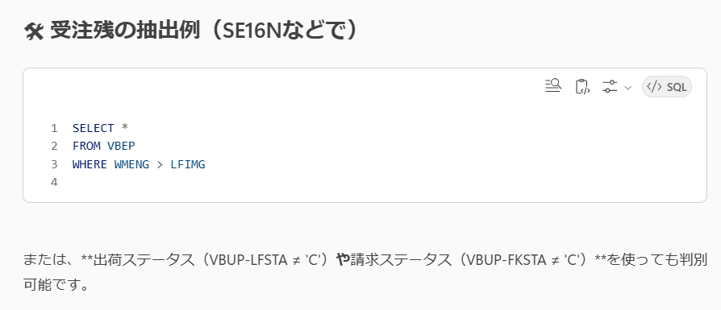

VBPA
Document | Item | Funct | Customer | Supplier | Pers.No. | Partner | Addr. No. | Unload.pt. | C/R | A | One-time | H | Prc | Reb. | HiLe | Part | Zone | HA | VAT Reg.No | F.partners | Person | A | Data Aging | Partner | Addr Detn | Type | Add. Num. | Dummy function in length 1 | SV
1000008322 |  | SP | 201410403 |  |  |  | 36152 |  | SE | D |  |  |  |  |  |  |  |  |  |  |  |  |  | 201410403 |  | 1 |  |  | 01
1000008322 |  | BP | 201410403 |  |  |  | 36152 |  | SE | D |  |  |  |  |  |  |  |  |  |  |  |  |  | 201410403 |  | 1 |  |  | 01
1000008322 |  | PY | 201410403 |  |  |  | 36152 |  | SE | D |  |  |  |  |  |  |  |  |  |  |  |  |  | 201410403 |  | 1 |  |  | 01
1000008322 |  | SH | 411411611 |  |  |  | 27055 |  | SE | D |  |  |  |  |  |  | ZQDES0004 |  |  |  |  |  |  | 411411611 |  | 1 |  |  | 01
1000008322 |  | ZC | 925000266 |  |  |  | 38092 |  | SE | D |  |  |  |  |  |  |  |  |  |  |  |  |  | 925000266 |  | 1 |  |  | 01
1000008322 |  | ZI | 931410018 |  |  |  | 28695 |  | NL | D |  |  |  |  |  |  |  |  |  |  |  |  |  | 931410018 |  | 1 |  |  | 01
1000008322 |  | ZP | 711410177 |  |  |  | 27971 |  | NL | D |  |  |  |  |  |  |  |  |  |  |  |  |  | 711410177 |  | 1 |  |  | 01
1000008322 |  | ZR | 911410006 |  |  |  | 28621 |  | NL | D |  |  |  |  |  |  |  |  |  |  |  |  |  | 911410006 |  | 1 |  |  | 01

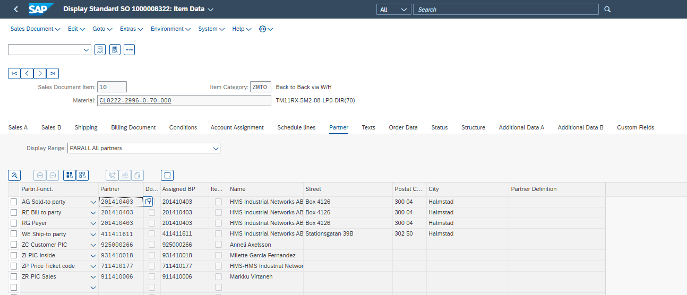

SELECT *
FROM VBPA
where VBPA.VBELN ='1000005771'
and VBPA.MANDT = '420'

Simple バージョン
MANDT | PARVW | POSNR | VBELN | ABLAD | ADDR_OPERATION | ADDR_TYPE | ADRDA | ADRNP | ADRNR | ASSIGNED_BP | BOKRE | BP_REF_ADRNR | DUMMY_SDDOCPARTNER_INCL_EEW_PS | HISTUNR | HITYP | HZUOR | KALE | KNREF | KUNNR | LAND1 | LIFNR | LZONE | PARNR | PARVW_FF | PERNR | PRFRE | SDM_VERSION | STCEG | XCPDK | _DATAAGING | _FIVETRAN_DELETED | _FIVETRAN_SYNCED
420 | AG | 000000 | 1000005771 |  |  | 1 | D |  | 0000035495 | 0201410061 |  |  |  | 00 |  | 00 |  |  | 0201410061 | AT |  |  | 0000000000 |  | 00000000 |  | 01 |  |  |  | FALSE | 2025-10-16 12:46:32.989 Z
420 | RE | 000000 | 1000005771 |  |  | 1 | D |  | 0000035495 | 0201410061 |  |  |  | 00 |  | 00 |  |  | 0201410061 | AT |  |  | 0000000000 |  | 00000000 |  | 01 |  |  |  | FALSE | 2025-10-16 12:46:45.558 Z
420 | RG | 000000 | 1000005771 |  |  | 1 | D |  | 0000035495 | 0201410061 |  |  |  | 00 |  | 00 |  |  | 0201410061 | AT |  |  | 0000000000 |  | 00000000 |  | 01 |  |  |  | FALSE | 2025-10-16 12:46:44.617 Z
420 | WE | 000000 | 1000005771 |  |  | 1 | D |  | 0000026615 | 0411410176 |  |  |  | 00 |  | 00 |  |  | 0411410176 | AT |  | ZQDES0003 | 0000000000 |  | 00000000 |  | 01 |  |  |  | FALSE | 2025-10-16 12:46:51.310 Z
420 | ZC | 000000 | 1000005771 |  |  | 1 | D |  | 0000030994 | 0941410263 |  |  |  | 00 |  | 00 |  |  | 0941410263 | AT |  |  | 0000000000 |  | 00000000 |  | 01 |  |  |  | FALSE | 2025-10-16 12:46:43.876 Z
420 | ZI | 000000 | 1000005771 |  |  | 1 | D |  | 0000028694 | 0931410017 |  |  |  | 00 |  | 00 |  |  | 0931410017 | NL |  |  | 0000000000 |  | 00000000 |  | 01 |  |  |  | FALSE | 2025-10-16 12:46:37.395 Z
420 | ZP | 000000 | 1000005771 |  |  | 1 | D |  | 0000028575 | 0711419000 |  |  |  | 00 |  | 00 |  |  | 0711419000 | NL |  |  | 0000000000 |  | 00000000 |  | 01 |  |  |  | FALSE | 2025-10-16 12:46:49.705 Z
420 | ZP | 000010 | 1000005771 |  |  | 1 | D |  | 0000028002 | 0711410211 |  |  |  | 00 |  | 00 |  |  | 0711410211 | NL |  |  | 0000000000 |  | 00000000 |  | 01 |  |  |  | FALSE | 2025-10-16 12:46:57.112 Z
420 | ZP | 000020 | 1000005771 |  |  | 1 | D |  | 0000027984 | 0711410193 |  |  |  | 00 |  | 00 |  |  | 0711410193 | NL |  |  | 0000000000 |  | 00000000 |  | 01 |  |  |  | FALSE | 2025-10-16 12:46:57.128 Z
420 | ZP | 000030 | 1000005771 |  |  | 1 | D |  | 0000028002 | 0711410211 |  |  |  | 00 |  | 00 |  |  | 0711410211 | NL |  |  | 0000000000 |  | 00000000 |  | 01 |  |  |  | FALSE | 2025-10-16 12:46:57.128 Z
420 | ZP | 000050 | 1000005771 |  |  | 1 | D |  | 0000027997 | 0711410206 |  |  |  | 00 |  | 00 |  |  | 0711410206 | NL |  |  | 0000000000 |  | 00000000 |  | 01 |  |  |  | FALSE | 2025-10-16 12:46:57.130 Z
POSNR は明細番号
Headerレベルのパートナーは000000
明細レベルで変更している場合のみ、明細番号で行が作成される
420 | ZP | 000060 | 1000005771 |  |  | 1 | D |  | 0000027997 | 0711410206 |  |  |  | 00 |  | 00 |  |  | 0711410206 | NL |  |  | 0000000000 |  | 00000000 |  | 01 |  |  |  | FALSE | 2025-10-16 12:46:57.130 Z
420 | ZP | 000070 | 1000005771 |  |  | 1 | D |  | 0000027997 | 0711410206 |  |  |  | 00 |  | 00 |  |  | 0711410206 | NL |  |  | 0000000000 |  | 00000000 |  | 01 |  |  |  | FALSE | 2025-10-16 12:46:57.130 Z
420 | ZP | 000080 | 1000005771 |  |  | 1 | D |  | 0000027999 | 0711410208 |  |  |  | 00 |  | 00 |  |  | 0711410208 | NL |  |  | 0000000000 |  | 00000000 |  | 01 |  |  |  | FALSE | 2025-10-16 12:46:57.131 Z
420 | ZR | 000000 | 1000005771 |  |  | 1 | D |  | 0000028617 | 0911410002 |  |  |  | 00 |  | 00 |  |  | 0911410002 | NL |  |  | 0000000000 |  | 00000000 |  | 01 |  |  |  | FALSE | 2025-10-16 12:46:38.532 Z

MANDT | 420 | 420 | 420 | 420 | 420 | 420 | 420 | 420 | 420 | 420 | 420 | 420 | 420 | 420 | 420
PARVW | ZR | ZP | ZP | RG | RE | ZP | ZP | ZI | WE | ZP | ZP | ZP | ZP | AG | ZC
POSNR | 000000 | 000020 | 000050 | 000000 | 000000 | 000030 | 000060 | 000000 | 000000 | 000010 | 000070 | 000080 | 000000 | 000000 | 000000
VBELN | 1000005771 | 1000005771 | 1000005771 | 1000005771 | 1000005771 | 1000005771 | 1000005771 | 1000005771 | 1000005771 | 1000005771 | 1000005771 | 1000005771 | 1000005771 | 1000005771 | 1000005771
ABLAD
ADDR_OPERATION
ADDR_TYPE
ADRDA
ADRNP
ADRNR | 0000028617 | 0000027984 | 0000027997 | 0000035495 | 0000035495 | 0000028002 | 0000027997 | 0000028694 | 0000026615 | 0000028002 | 0000027997 | 0000027999 | 0000028575 | 0000035495 | 0000030994
ASSIGNED_BP | 0911410002 | 0711410193 | 0711410206 | 0201410061 | 0201410061 | 0711410211 | 0711410206 | 0931410017 | 0411410176 | 0711410211 | 0711410206 | 0711410208 | 0711419000 | 0201410061 | 0941410263
BOKRE
BP_REF_ADRNR
DUMMY_SDDOCPARTNER_INCL_EEW_PS
HISTUNR
HITYP
HZUOR
KALE
KNREF
KUNNR | 0911410002 | 0711410193 | 0711410206 | 0201410061 | 0201410061 | 0711410211 | 0711410206 | 0931410017 | 0411410176 | 0711410211 | 0711410206 | 0711410208 | 0711419000 | 0201410061 | 0941410263
LAND1 | NL | NL | NL | AT | AT | NL | NL | NL | AT | NL | NL | NL | NL | AT | AT
LIFNR
LZONE
PARNR
PARVW_FF
PERNR
PRFRE
SDM_VERSION
STCEG
XCPDK
_DATAAGING
_FIVETRAN_DELETED
_FIVETRAN_SYNCED

